overview
Context:
clustering patients on weight gain cause (WGC) data with clinical variables
to identify the best set of clinical variables to include along WGCs, the best weighing of these variables, and the best clustering algorithms to use, several ’experiments’ need to run, with different parameters/combinations of parameters in each
Core workflow:
Step 1: distance matrix calculation
12 WGC + any number of clinical variables are loaded into a hybrid distance calculation, where patient distances are calculated with different methods on the two ‘variable blocks’, with the two matrices eventually hybridized with different weights
two approaches to weighing:
block-wise: WGC and clinical blocks get 50-50% of weights
variable-wise: weighing is proportional to the number of variables in each block, eg 12 WGCs + 3 clinical vars: WGCs get 80%, clinicals get 20%
Step 2: clustering
the distance matrix is loaded into clustering algorithms
several algorithms are available, each with their own set of hyperparameters, adding complexity

Experimental parameters and codes:
bl/oc | baseline vs outcome or longitudinal data | shifts focus between ‘phenotyping’ and ‘trajectory analysis’
nobc/bc | exclusion vs inclusion of body composition (BC) data in clinical variables; nobc: age, sex, BMI; BC: nobc + fat, vat (?) | at the moment, the exact BC to include is not defined, but should be consensual, constant, and annotated. Suggesting using fat% and VAT.
vw/bw | variable-wise vs block-wise weighting during distance matrix hybridization | modifies the magnitude of influence of different variables in clustering

additionally:
jaccard_wgc: | only using the WGC Jaccard matrix in clustering - no clinical data added

pam_goldstd
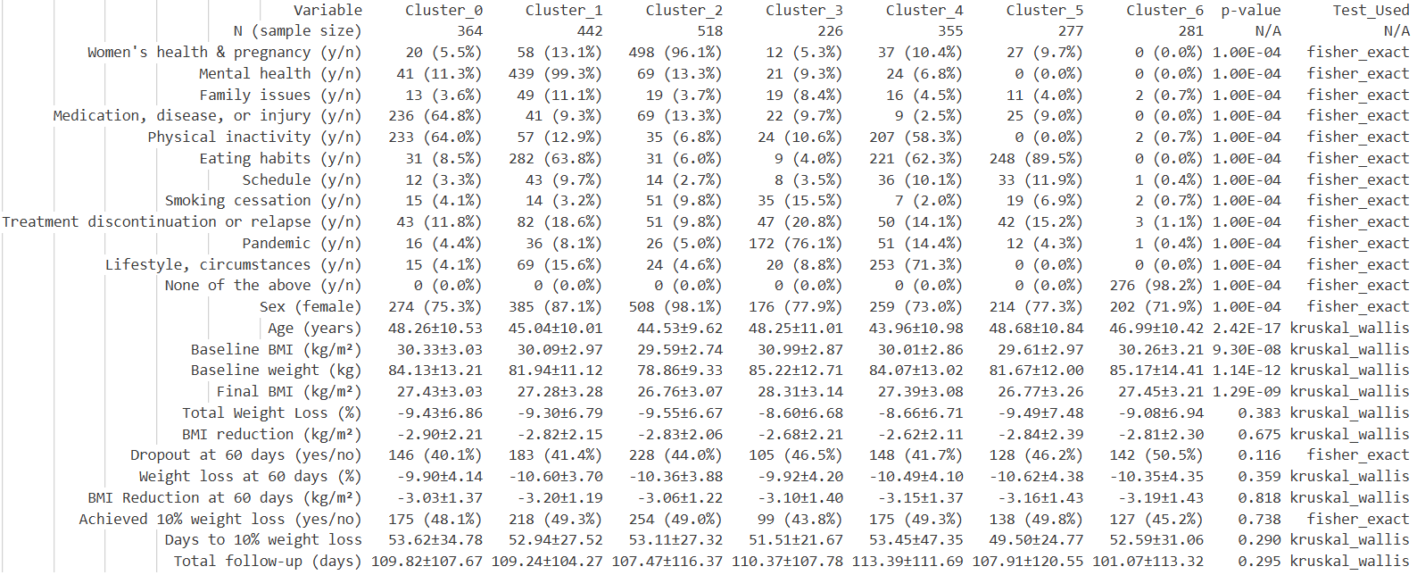
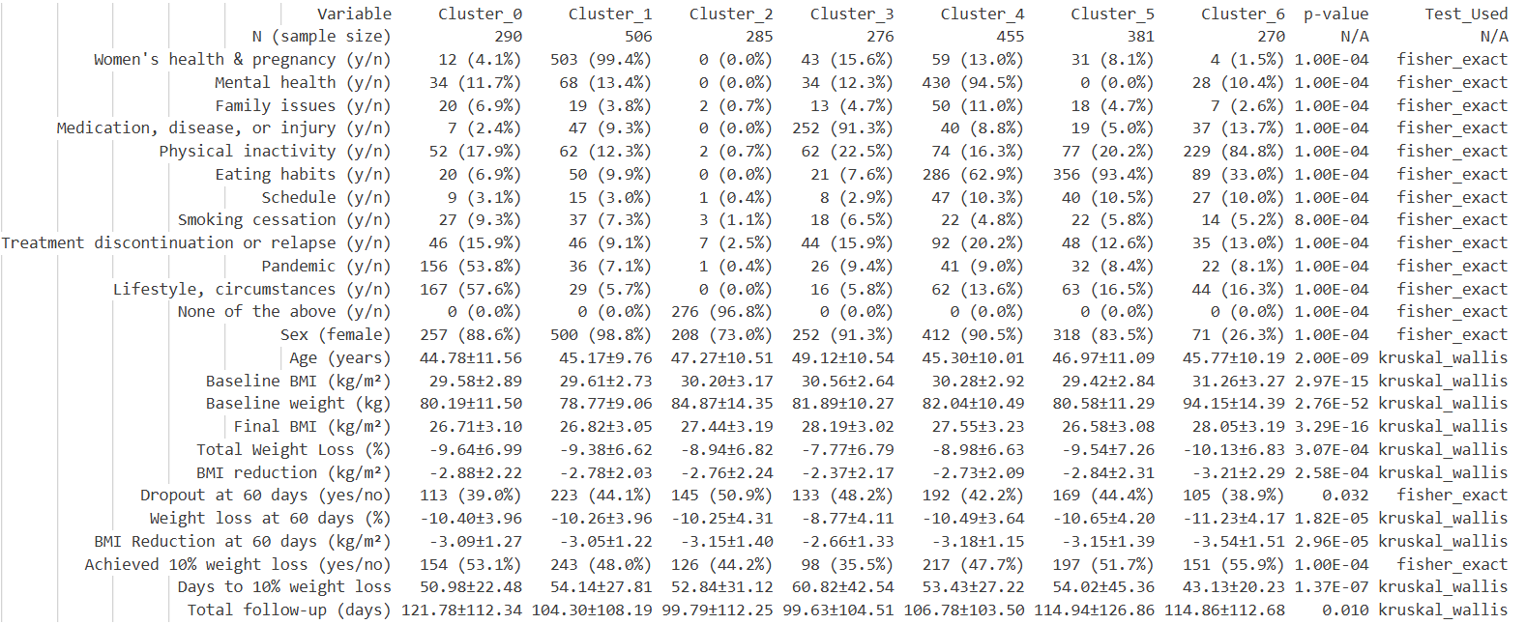
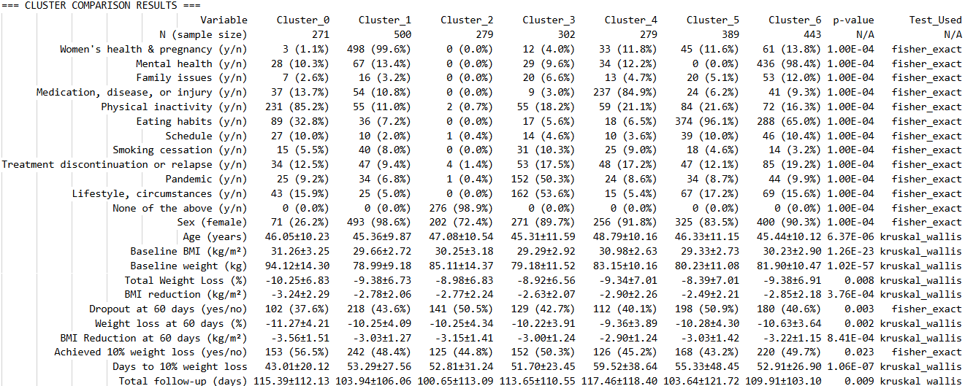
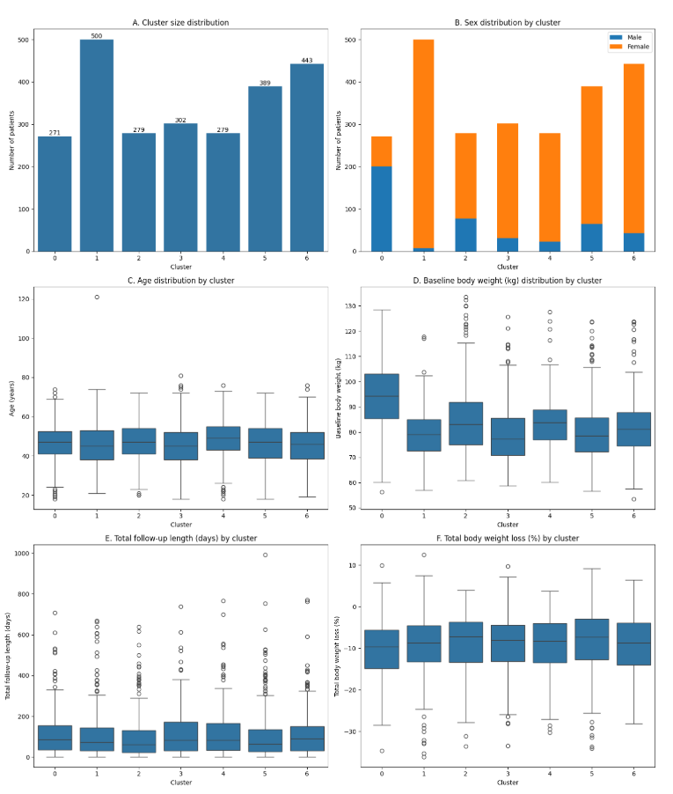
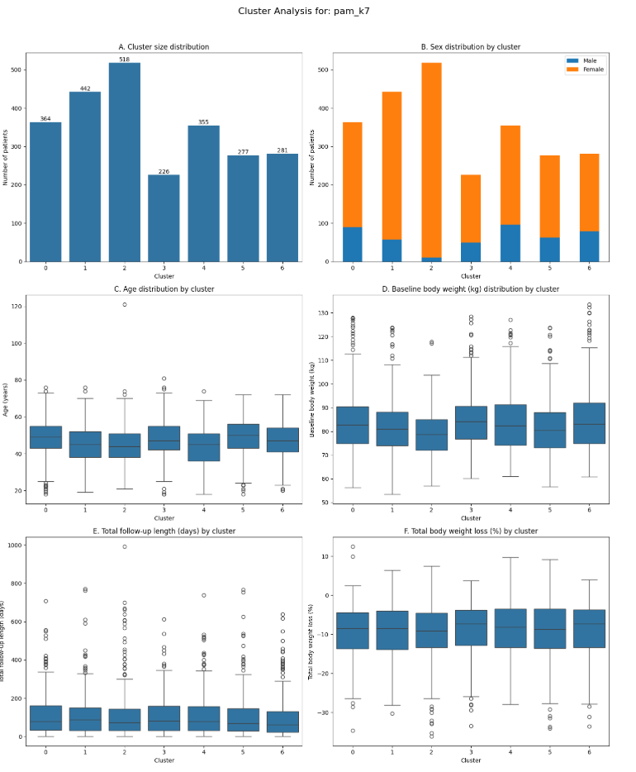
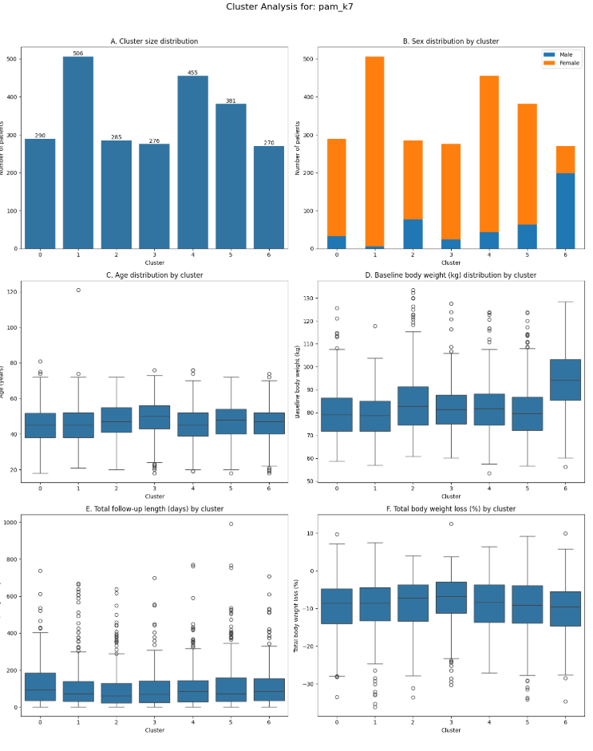
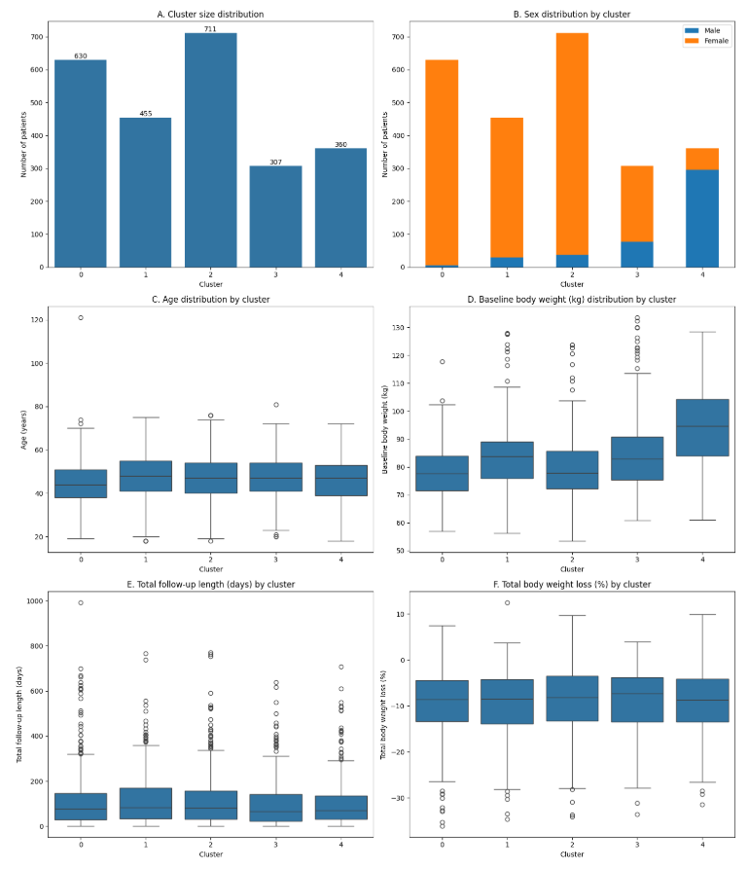
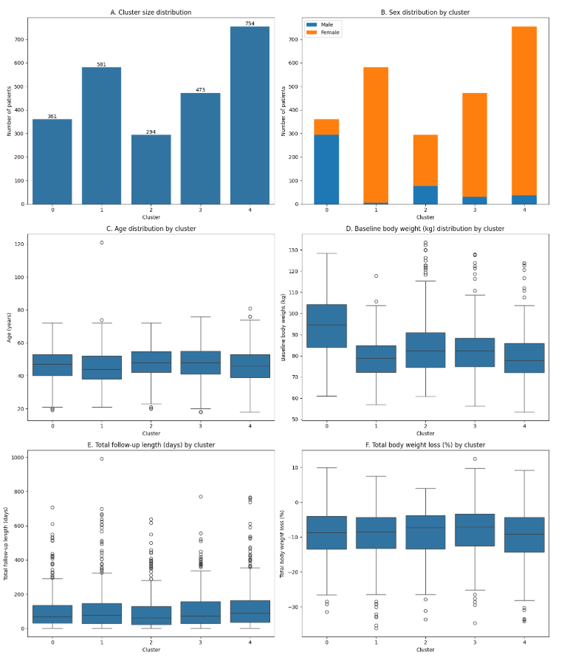
pam_goldst: K-medoids clustering 'gold standard' method |  | labels db | pnk_db2_p2_cluster_pam_goldstd.sqlite
method=pam |  | comp db | pnk_db2_p2_out.sqlite
init=k-medoids++
10 iterations over 10 random seeds

 |  | matrix done | clustering done | k range | comp done | best k after clinical revision | grouping reasonable | metrics defensible | outcome/not included variable differences significant | consider? | verdict
 | jaccard_wgc | jaccard_matrix_wgc_pam_goldstd | clust_labels_jaccard_wgc_pam_goldstd | 6 | jaccard_wgc_pam_goldstd_k6 | 6 | + | + | (-) 6/12 | y | focus on the two extremes, Jaccard and block-wise
 | bl_nobc_vw | hybrid_matrix_bl_nobc_vw_pam_goldstd | clust_labels_bl_nobc_vw_pam_goldstd | 6 | bl_nobc_vw_pam_goldstd_k6 | 6 | + | + | (-) 4/9 | y | see k 6 and 7, more in-depth clinical evaluation |  |  | bl_nobc_bw_pam_goldstd_k5 |  |  | oc_nobc_bw_pam_goldstd_k5
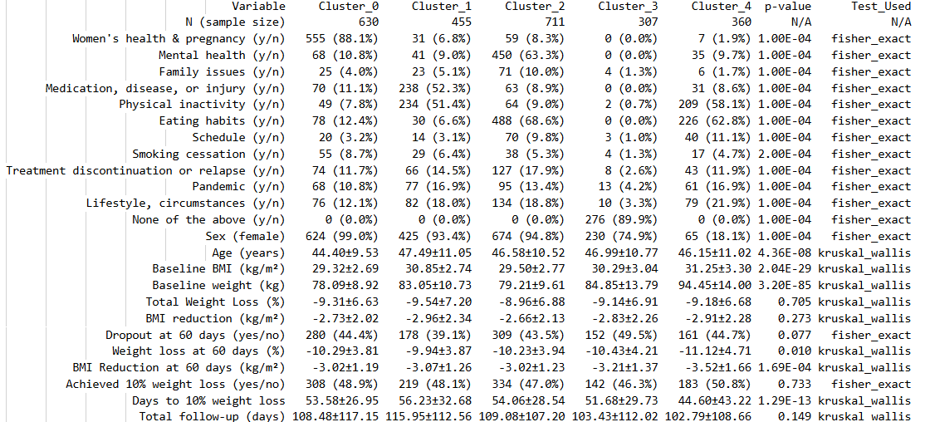
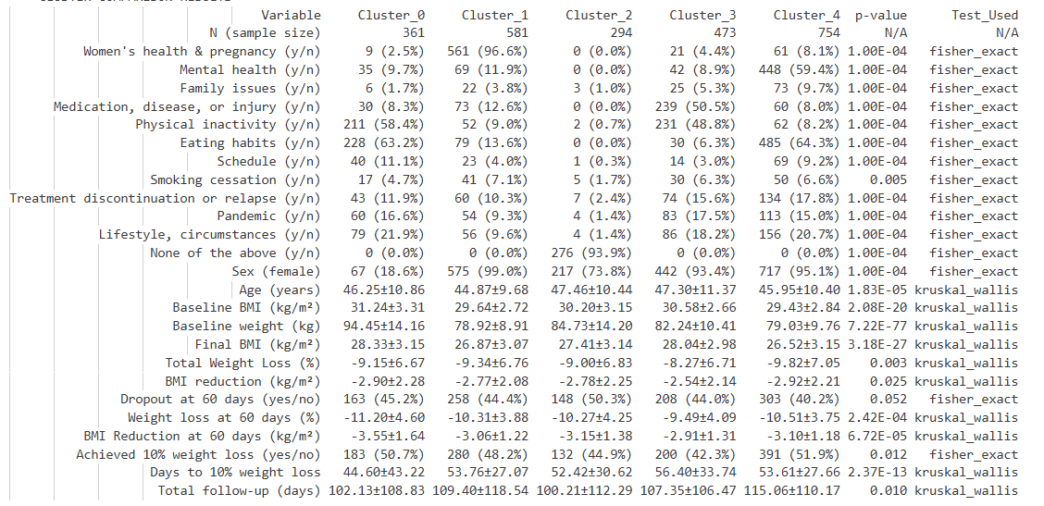
 | bl_nobc_bw | hybrid_matrix_bl_nobc_bw_pam_goldstd | clust_labels_bl_nobc_bw_pam_goldstd | 5 to 7 | bl_nobc_bw_pam_goldstd_k6, bl_nobc_bw_pam_goldstd_k5, bl_nobc_bw_pam_goldstd_k7 | 7 | + | + | (+) 8/8 | y, AND see 7 with other methods | see cleanliness, clinical relevance and separation of clusters
 | bl_bc_vw | n | n |  | n
 | bl_bc_bw | n | n |  | n
 | oc_nobc_vw | y | clust_labels_oc_nobc_vw_pam_goldstd | 6, try 7 | oc_nobc_vw_pam_goldstd_k6, oc_nobc_vw_pam_goldstd_k7
 | oc_nobc_bw | y | clust_labels_oc_nobc_bw_pam_goldstd | 5 to 7 | oc_nobc_bw_pam_goldstd_k5, oc_nobc_bw_pam_goldstd_k6, oc_nobc_bw_pam_goldstd_k6 | 6
 | oc_bc_vw | n | n |  | n
 | oc_bc_bw | n | n |  | n

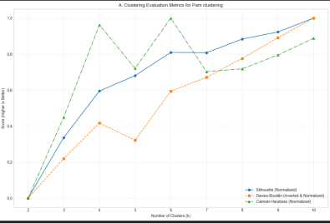
 | jaccard_wgc |  | bl_nobc_vw |  |  | bl_nobc_bw |  |  | oc_nobc_vw |  |  | oc_nobc_bw
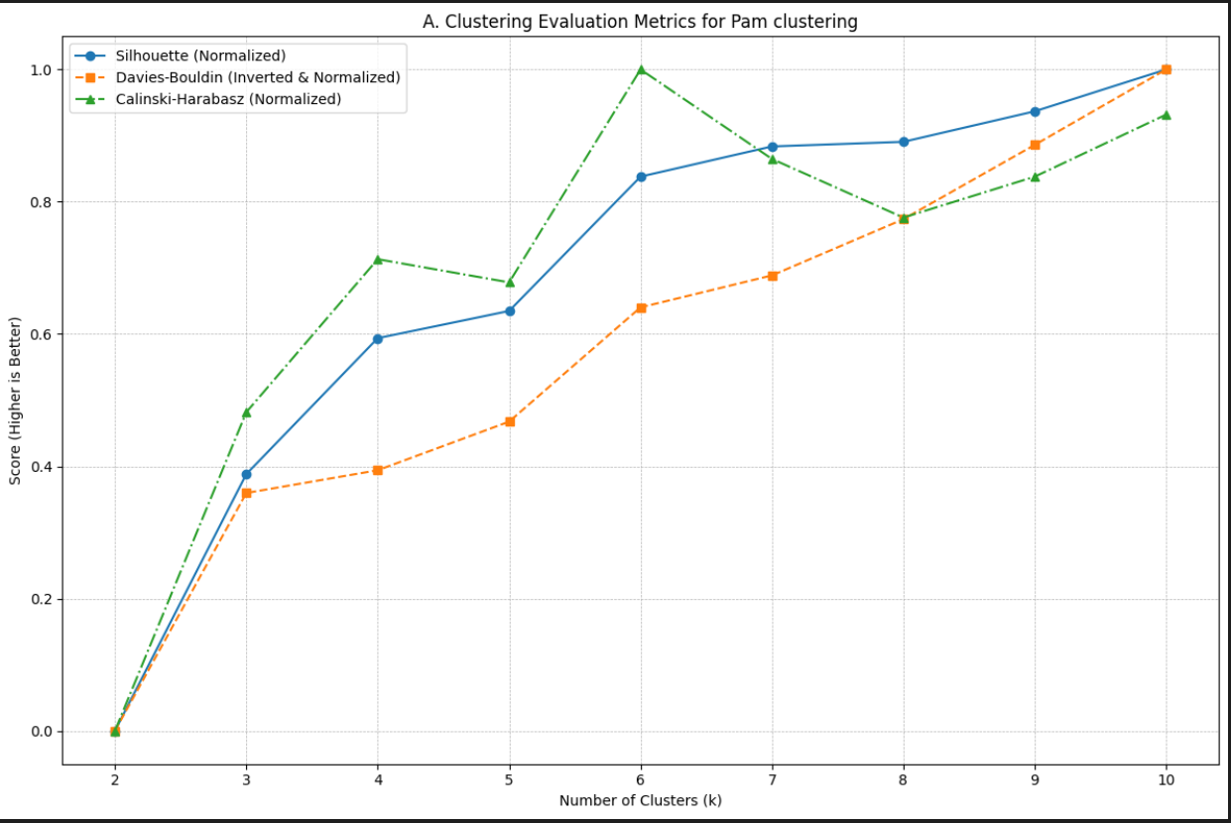
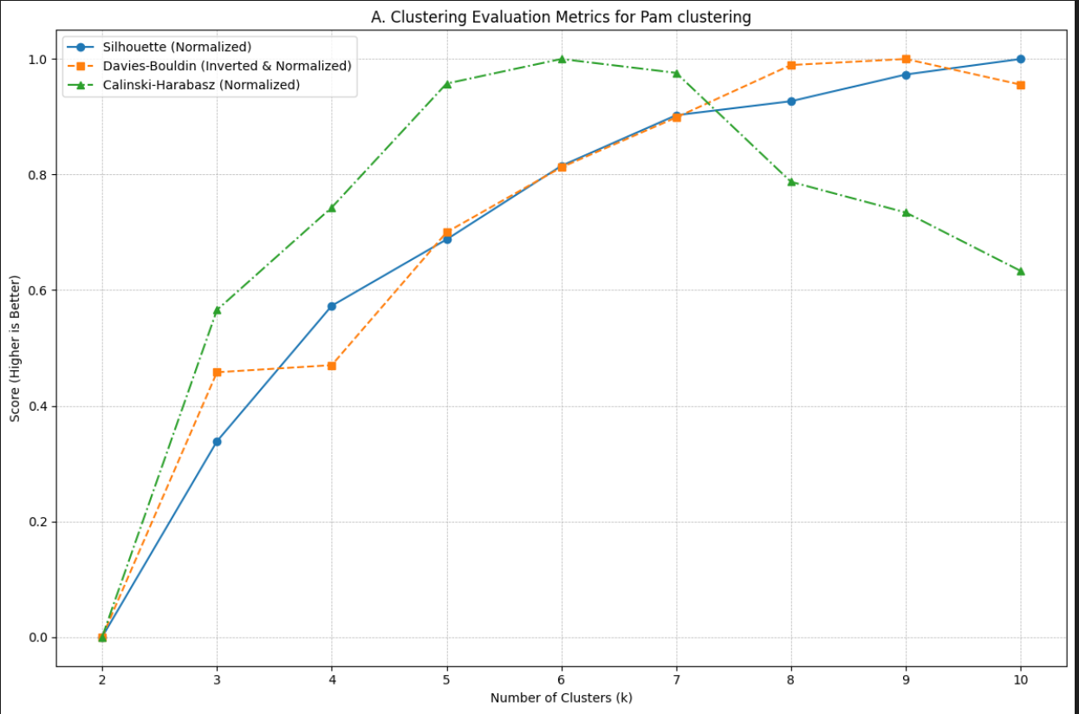
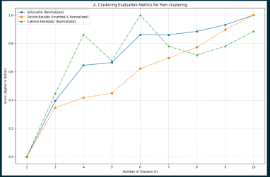
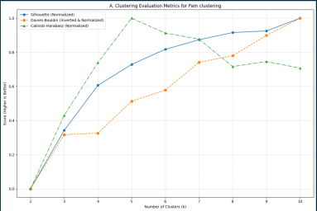

 | Medoid-to-Cluster Map for k=2: {np.int64(0): '101ECB42A682D', np.int64(1): '12C64442A682D'} Best run for k=2 found with seed=0 (Inertia: 1610.70) Medoid-to-Cluster Map for k=3: {np.int64(0): '10222942A682D', np.int64(1): '12C64442A682D', np.int64(2): '101ECB42A682D'} Best run for k=3 found with seed=0 (Inertia: 1337.70) Medoid-to-Cluster Map for k=4: {np.int64(0): '12711642A682D', np.int64(1): '11A61042A682D', np.int64(2): '108E2142A682D', np.int64(3): '13CCC842A682D'} Best run for k=4 found with seed=1 (Inertia: 1174.72) Medoid-to-Cluster Map for k=5: {np.int64(0): '12C1F142A682D', np.int64(1): '11A61042A682D', np.int64(2): '108E2142A682D', np.int64(3): '13CCC842A682D', np.int64(4): '10915142A682D'} Best run for k=5 found with seed=1 (Inertia: 1061.92) Medoid-to-Cluster Map for k=6: {np.int64(0): '108E2142A682D', np.int64(1): '10915142A682D', np.int64(2): '10722D42A682D', np.int64(3): '129B2A42A682D', np.int64(4): '126E3342A682D', np.int64(5): '136C6B42A682D'} Best run for k=6 found with seed=2 (Inertia: 968.82) Medoid-to-Cluster Map for k=7: {np.int64(0): '108E2142A682D', np.int64(1): '10915142A682D', np.int64(2): '10722D42A682D', np.int64(3): '129B2A42A682D', np.int64(4): '126E3342A682D', np.int64(5): '10852942A682D', np.int64(6): '10A26342A682D'} Best run for k=7 found with seed=2 (Inertia: 892.57) Medoid-to-Cluster Map for k=8: {np.int64(0): '108E2142A682D', np.int64(1): '139BB042A682D', np.int64(2): '10A46542A682D', np.int64(3): '10A09E42A682D', np.int64(4): '12AAE142A682D', np.int64(5): '10852942A682D', np.int64(6): '103FBE42A682D', np.int64(7): '1337A742A682D'} Best run for k=8 found with seed=0 (Inertia: 831.64) Medoid-to-Cluster Map for k=9: {np.int64(0): '108D1342A682D', np.int64(1): '139BB042A682D', np.int64(2): '10A46542A682D', np.int64(3): '108E2142A682D', np.int64(4): '12AAE142A682D', np.int64(5): '10852942A682D', np.int64(6): '103FBE42A682D', np.int64(7): '1337A742A682D', np.int64(8): '10999B42A682D'} Best run for k=9 found with seed=0 (Inertia: 775. |  | --- Definitive Medoid Mapping for Best Result (k=10) --- Cluster 0: Medoid Record ID = 1294CD42A682D Cluster 1: Medoid Record ID = 126E5242A682D Cluster 2: Medoid Record ID = 1362E042A682D Cluster 3: Medoid Record ID = 12A50542A682D Cluster 4: Medoid Record ID = 12BBF742A682D Cluster 5: Medoid Record ID = 1286CF42A682D Cluster 6: Medoid Record ID = 12810B42A682D Cluster 7: Medoid Record ID = 128F3D42A682D Cluster 8: Medoid Record ID = 10A53B42A682D Cluster 9: Medoid Record ID = 12AC1642A682D |  |  |  |  |  | --- Definitive Medoid Mapping for Best Result (k=10) --- Cluster 0: Medoid Record ID = 1362E042A682D Cluster 1: Medoid Record ID = 13664C42A682D Cluster 2: Medoid Record ID = 134FDE42A682D Cluster 3: Medoid Record ID = 12B73742A682D Cluster 4: Medoid Record ID = 12AC1642A682D Cluster 5: Medoid Record ID = 137F8D42A682D Cluster 6: Medoid Record ID = 12826342A682D Cluster 7: Medoid Record ID = 10A53B42A682D Cluster 8: Medoid Record ID = 12A49742A682D Cluster 9: Medoid Record ID = 135F7042A682D
 | k=6 |  | k=6 |  |  | k=5 to 7

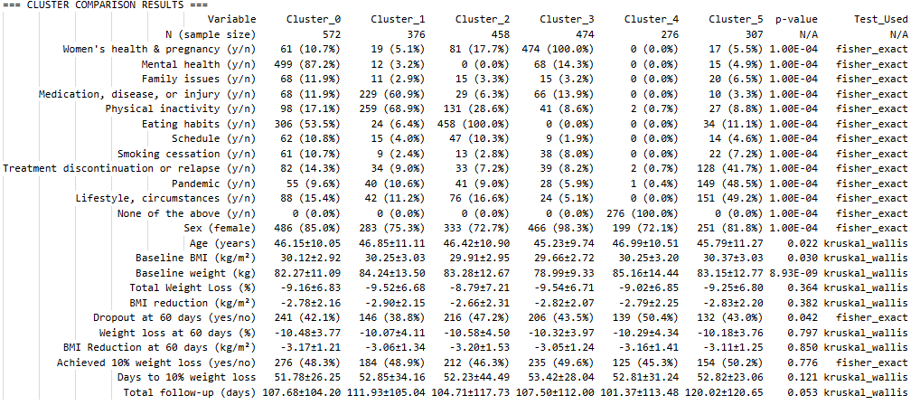
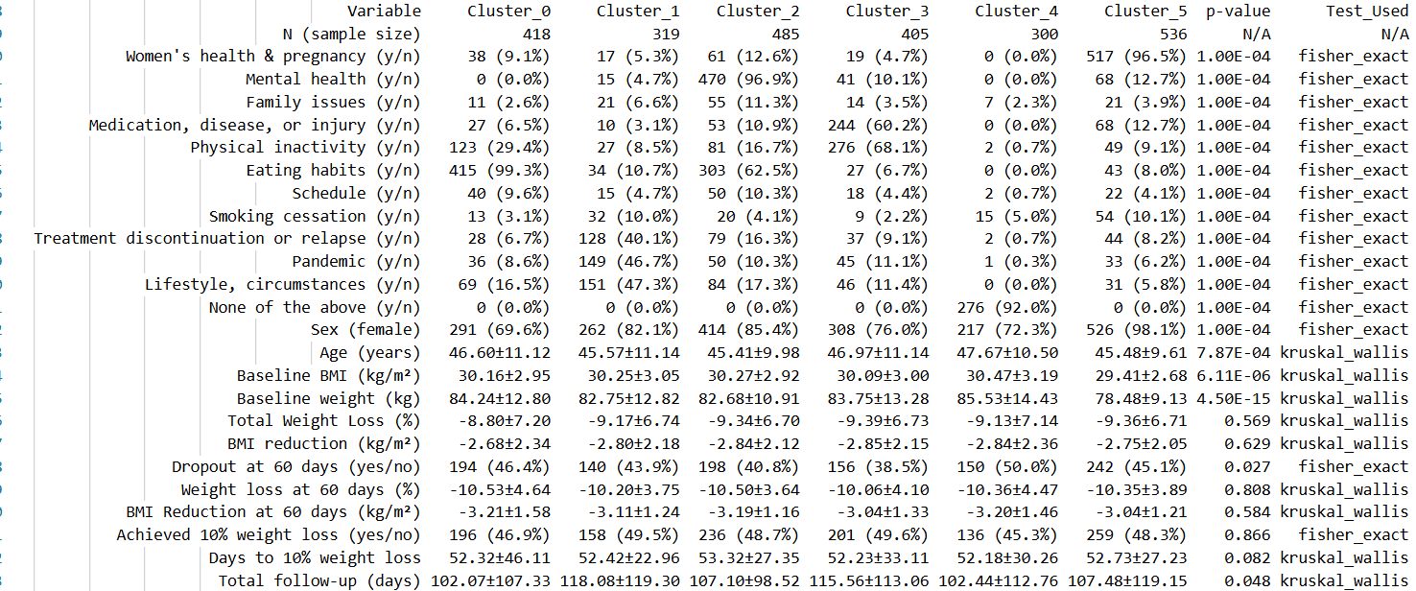
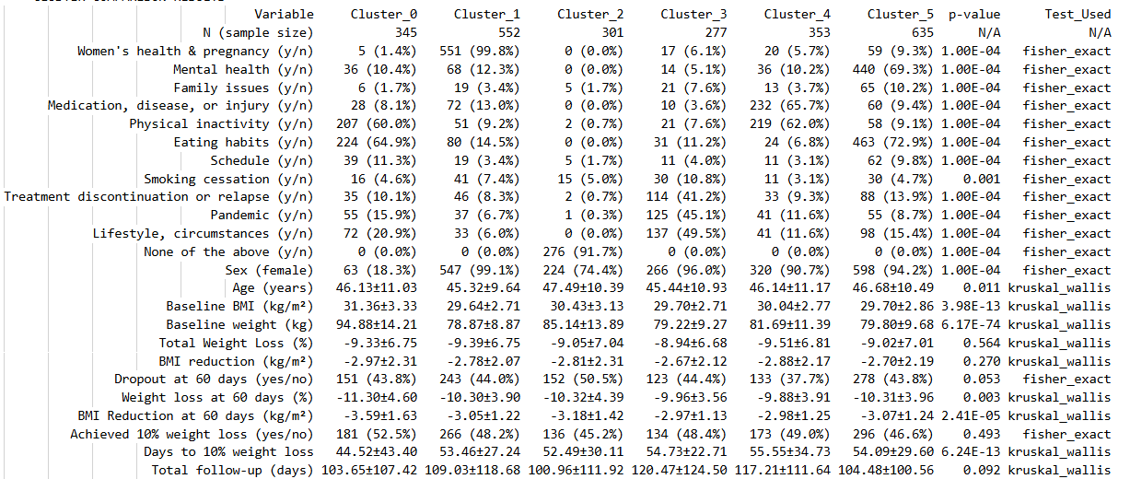
 | jaccard_wgc_pam_goldstd_k6 |  |  |  |  |  |  |  |  |  |  |  | bl_nobc_vw_pam_goldstd_k6 | bl_nobc_bw_pam_goldstd_k6
 |  |  |  |  |  |  |  |  |  |  |  |  |  |  |  | oc_nobc_vw_pam_goldstd_k6 | oc_nobc_bw_pam_goldstd_k6
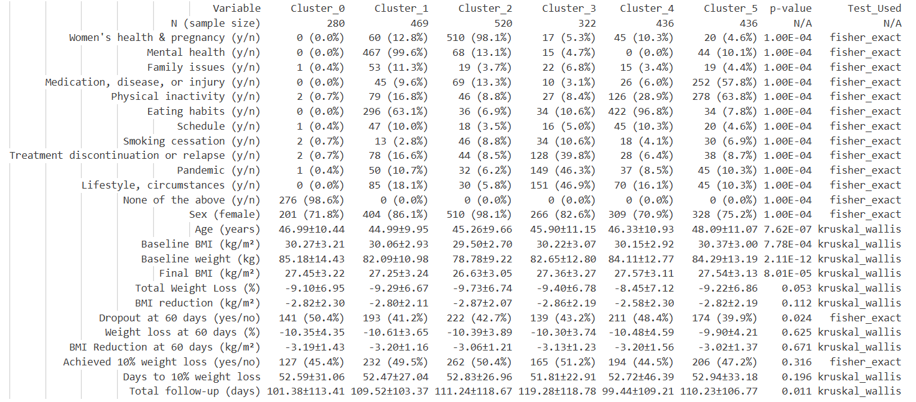
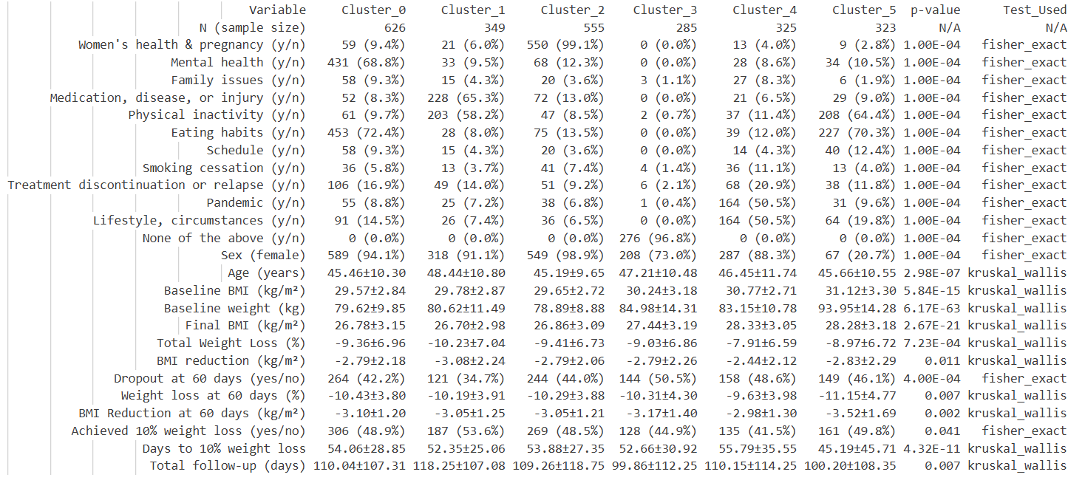

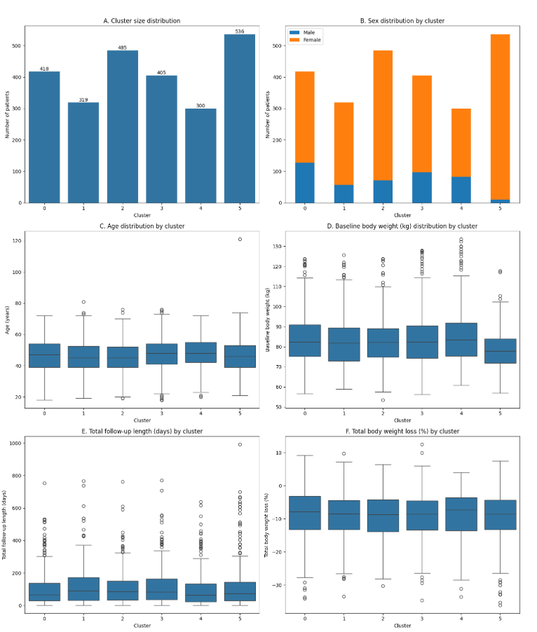
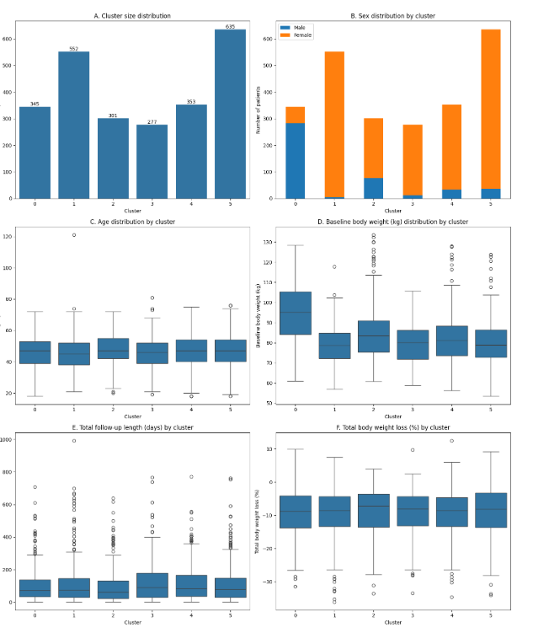
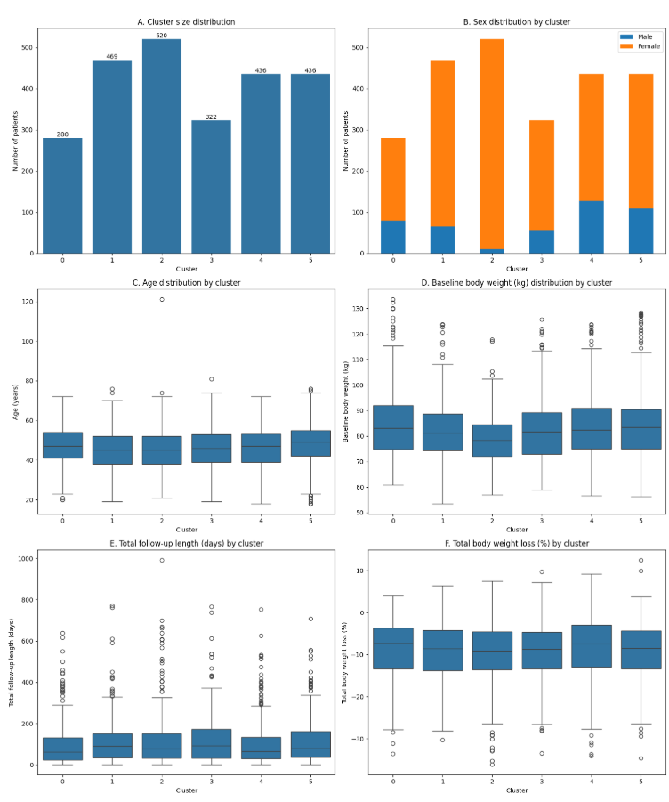
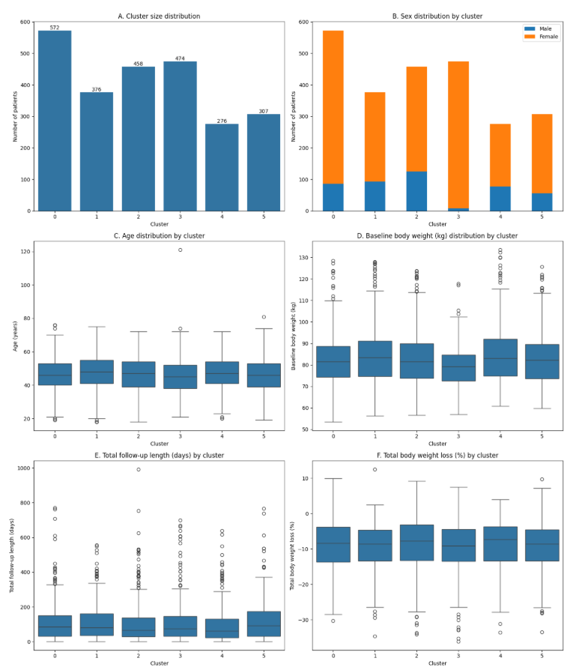
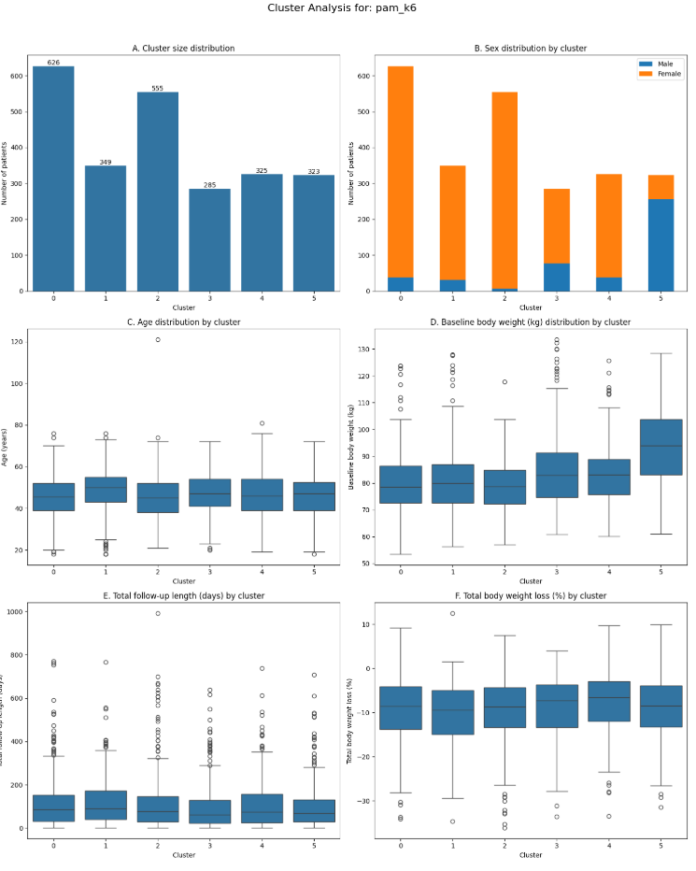

 |  |  |  |  |  |  |  |  |  |  |  |  |  |  | bl_nobc_bw_pam_goldstd_k7 | oc_nobc_vw_pam_goldstd_k7 | oc_nobc_bw_pam_goldstd_k7

pam_default
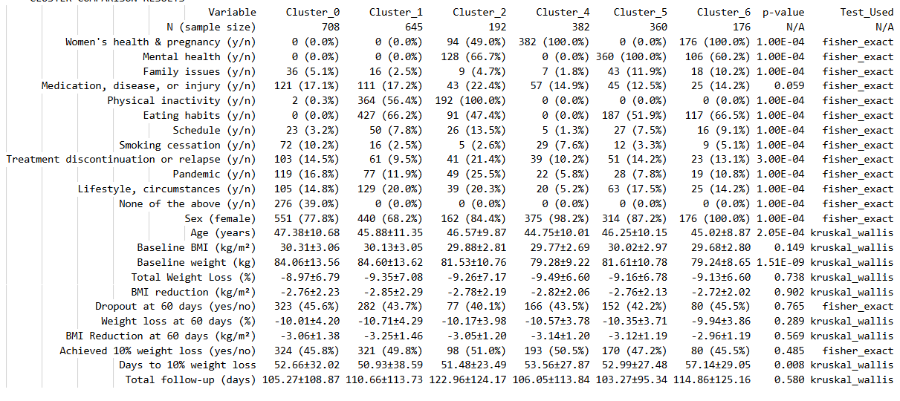
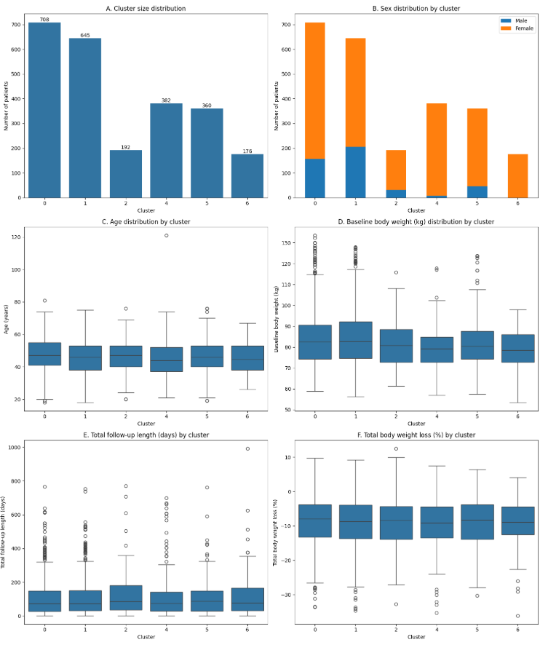
pam_default: K-medoids clustering with default settings |  |  | labels db | pnk_db2_p2_cluster_pam_default.sqlite
method=alternating |  |  | comp db | pnk_db2_p2_out.sqlite
init=heuristic
no init iterations, first medoids are deterministic

 |  | matrix done | pam_default | k range | comp done | best k after clinical revision | grouping reasonable | metrics defensible | outcome/not included variable differences significant | consider? | verdict
 | jaccard_wgc | jaccard_matrix_wgc_pam_default | clust_labels_jaccard_wgc_pam_default | 5 to 7 | jaccard_wgc_pam_default_k5, jaccard_wgc_pam_default_k6, jaccard_wgc_pam_default_k7 | 5 (6 and on have missing medoids, empty clusters) | - | - | - | n | keep bw-k6 as a backup candidate
 | bl_nobc_vw | hybrid_matrix_bl_nobc_vw_pam_default | clust_labels_bl_nobc_vw_pam_default | 6 | bl_nobc_vw_pam_default_k6 | 6 | (-) not bad but separates injury and inactivity, worse than others | (+) most consistent overall | (+) 7/9 | n | metrics and separation is good although groupings are a bit different
 | bl_nobc_bw | hybrid_matrix_bl_nobc_bw_pam_default | clust_labels_bl_nobc_bw_pam_default | 5 to 6 | bl_nobc_bw_pam_default_k6, bl_nobc_bw_pam_default_k5 | 6 | (+) different from goldstd in some aspects like separation of two None groups, by gender, but largely comparable patterns | + | + | backup | and, algorithm is less robust, less defensible
 | bl_bc_vw | n | n |  | n
 | bl_bc_bw | n | n |  | n
 | oc_nobc_vw | n | n |  | n
 | oc_nobc_bw | n | n |  | n
 | oc_bc_vw | n | n |  | n
 | oc_bc_bw | n | n |  | n

 | jaccard_wgc |  | bl_nobc_vw |  |  |  | bl_nobc_bw
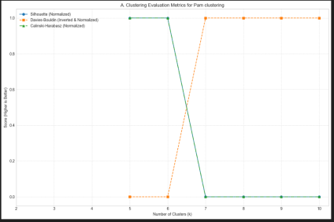
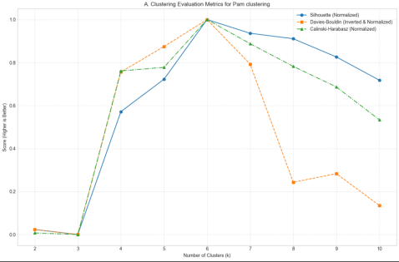
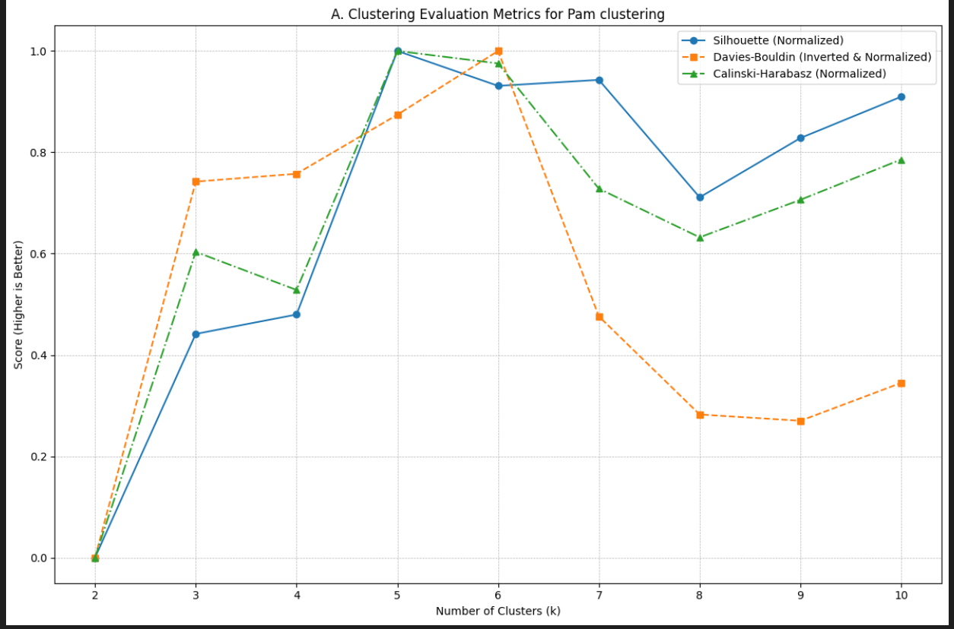

 | algorithm broke, many clusters had no medoids |  | --- Definitive Medoid Mapping for Best Result (k=6) --- Cluster 0: Medoid Record ID = 1294CD42A682D Cluster 1: Medoid Record ID = 13367542A682D Cluster 2: Medoid Record ID = 13413542A682D Cluster 3: Medoid Record ID = 1162FC42A682D Cluster 4: Medoid Record ID = 13D0C142A682D Cluster 5: Medoid Record ID = 13846542A682D |  |  |  | --- Definitive Medoid Mapping for Best Result (k=5) --- Cluster 0: Medoid Record ID = 12BDA442A682D Cluster 1: Medoid Record ID = 12787642A682D Cluster 2: Medoid Record ID = 1162FC42A682D Cluster 3: Medoid Record ID = 136C2142A682D Cluster 4: Medoid Record ID = 12AF3142A682D
 | best Silhouette at 5
 | -- Definitive Medoid Mapping for Best Result (k=5) --- Cluster 0: Medoid Record ID = 10222942A682D Cluster 1: Medoid Record ID = 10902D42A682D Cluster 2: Medoid Record ID = 108E2142A682D Cluster 3: Medoid Record ID = 1297EF42A682D Cluster 4: Medoid Record ID = 101ECB42A682D

 | k=5-7 |  | k=6 |  |  |  | k=5-6

 | jaccard_wgc_pam_default_k5 |  |  |  |  |  |  |  |  | bl_nobc_vw_pam_default_k6 |  | bl_nobc_bw_pam_default_k6
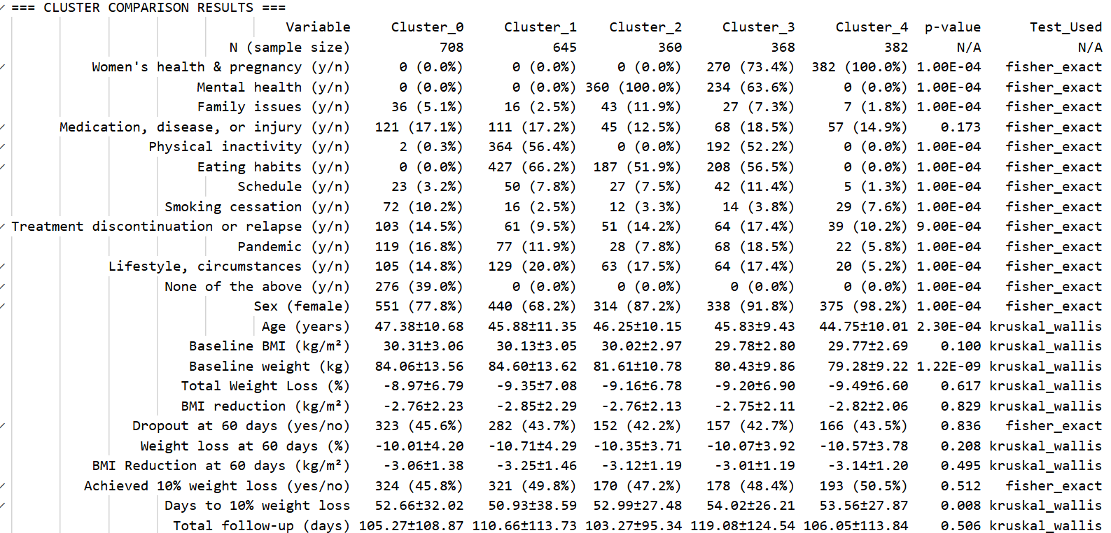
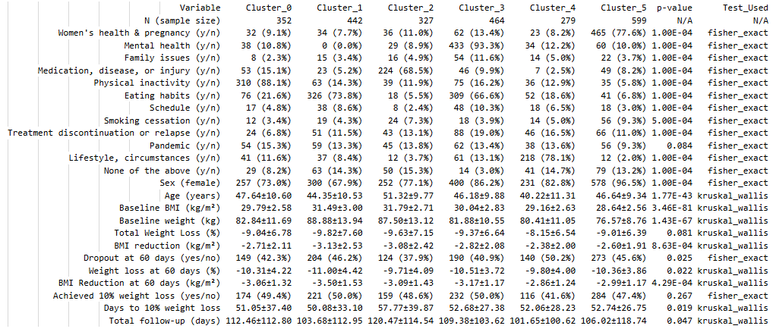
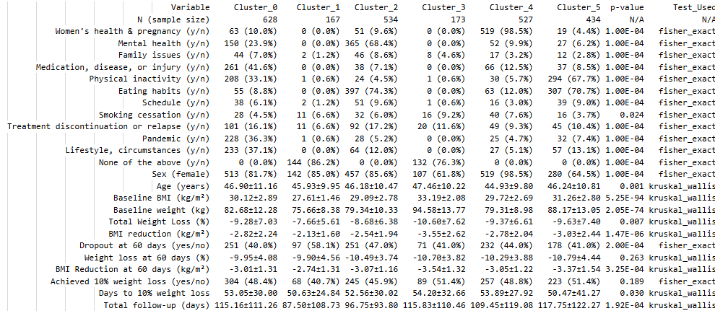

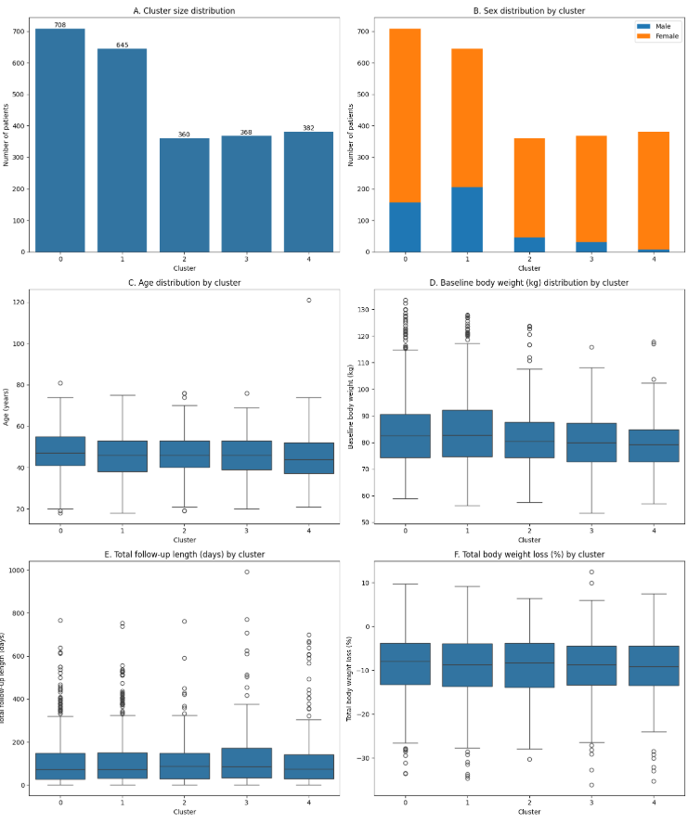
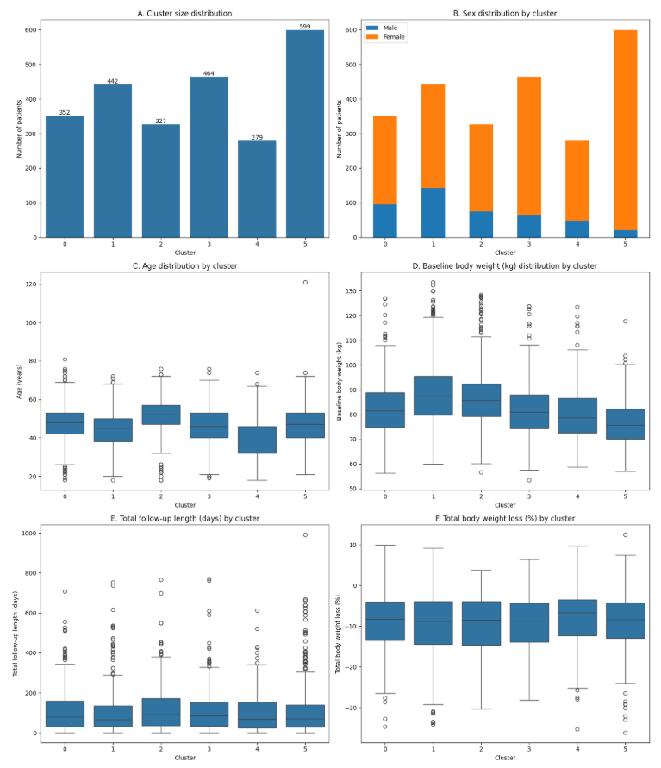

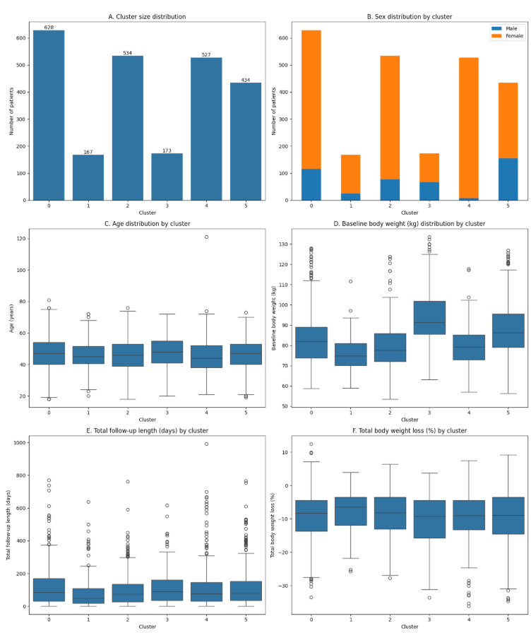

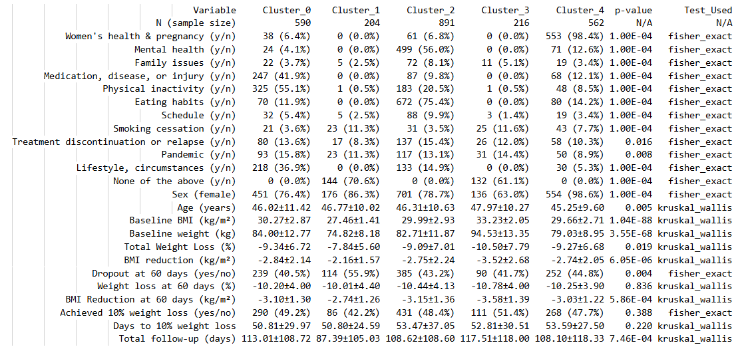
 |  |  |  |  |  |  |  |  |  |  |  |  | bl_nobc_bw_pam_default_k5
 | jaccard_wgc_pam_default_k6 |  |  | one cluster missing!
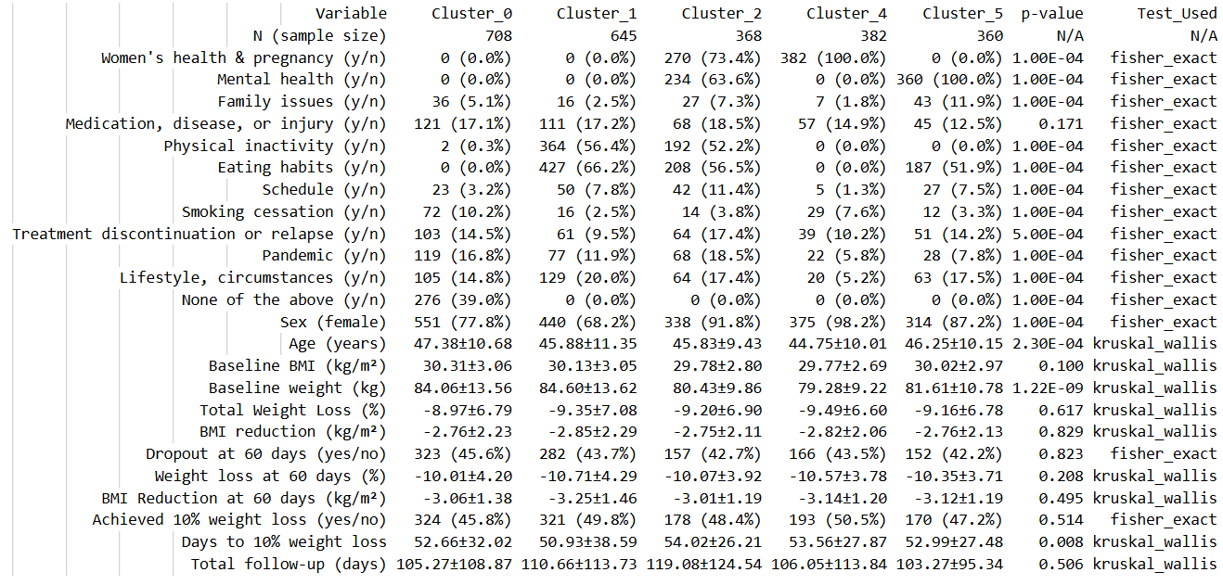

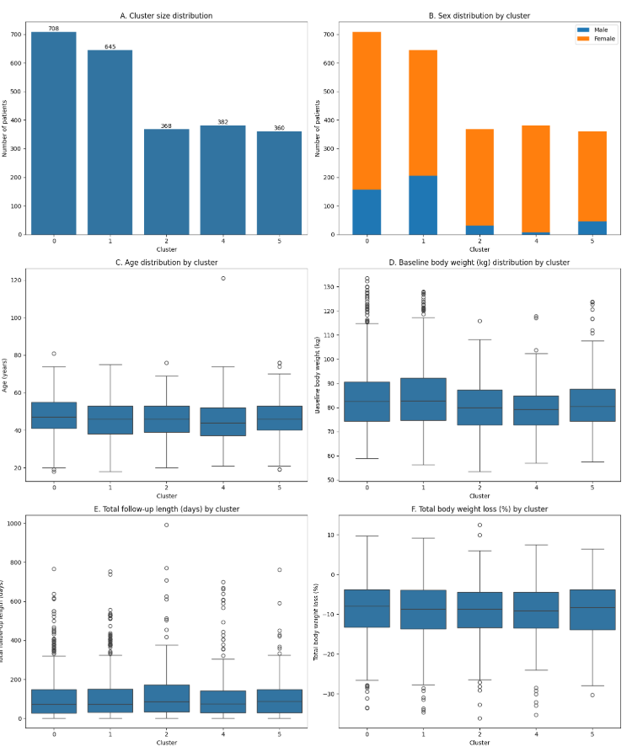
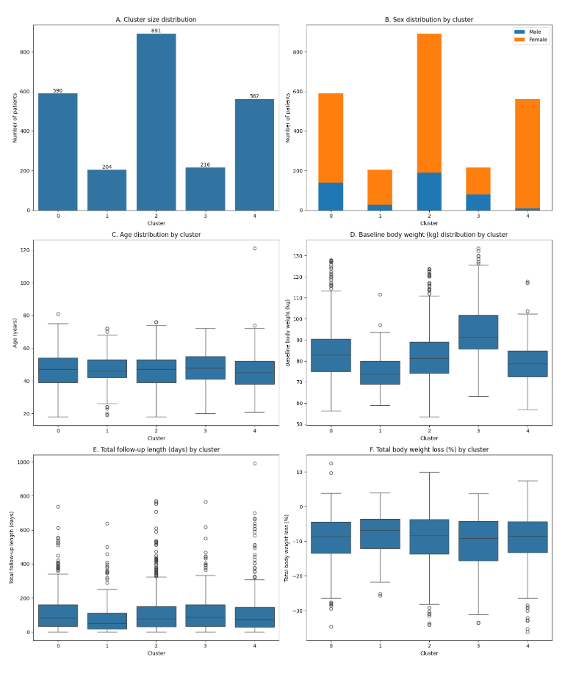

 | jaccard_wgc_pam_default_k7 |  |  | again, clust 3 missing, no medoids identified!

hclust_ward
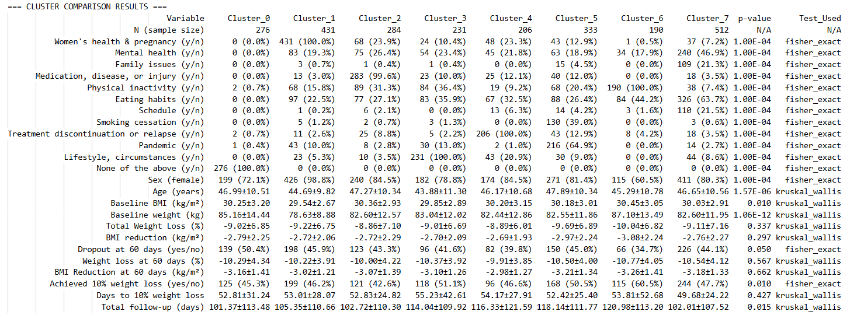
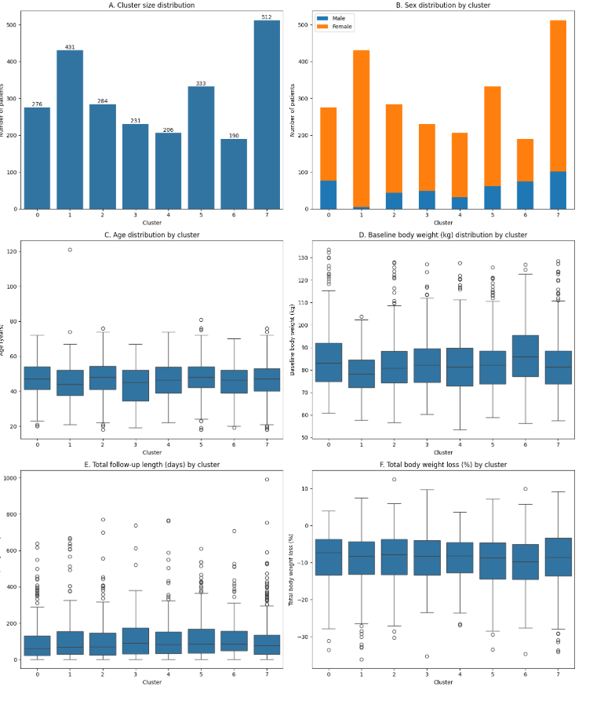
hclust_ward: hierarchical clustering with Ward's linkage |  | labels db | pnk_db2_p2_cluster_hclust_ward.sqlite
linkage=ward |  | comp db | pnk_db2_p2_out.sqlite
 |  |  |  |  |  |  |  |  |  |  |  | bl_nobc_vw_hclust_ward_k6

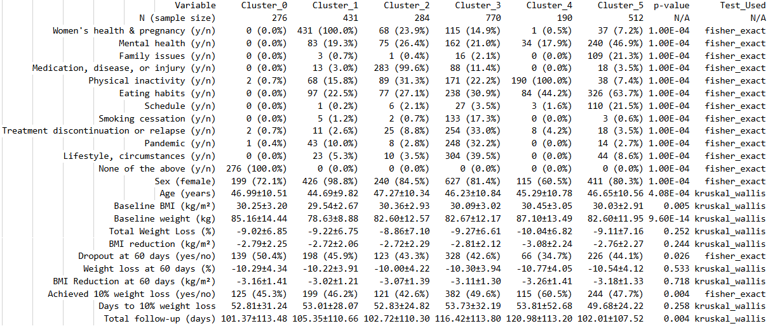

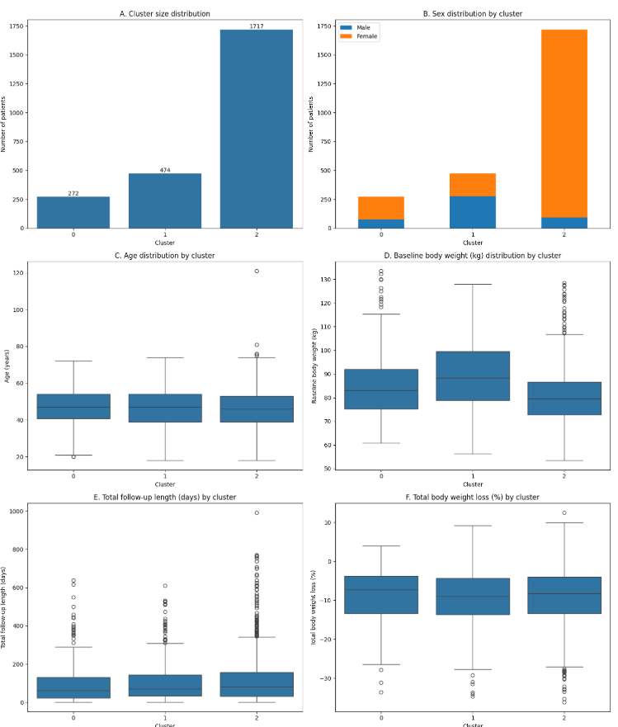
 |  | matrix done | hclust_ward | k range | comp done | best k after clinical revision | grouping reasonable | metrics defensible | outcome/not included variable differences significant | consider? | verdict
 | jaccard_wgc | jaccard_matrix_wgc_hclust_ward | y (but, data deleted 17Sept25) | 3 or 7 | n |  |  |  |  |  | keep bw-k3 as a backup option
 | bl_nobc_vw | hybrid_matrix_bl_nobc_vw_hclust_ward | clust_labels_bl_nobc_vw_hclust_ward | 6 to 8 | bl_nobc_vw_hclust_ward_k6, bl_nobc_vw_hclust_ward_k7, bl_nobc_vw_hclust_ward_k8 | 6 | + | - | - | n | not very good and very different from other layouts
 | bl_nobc_bw | hybrid_matrix_bl_nobc_bw_hclust_ward | clust_labels_bl_nobc_bw_hclust_ward | 3 or 8 | bl_nobc_bw_hclust_ward_k3, bl_nobc_bw_hclust_ward_k8 | 3 | ? | + | (+) 6/9 | backup | but can be applied in a low-k narrative if nothing else works
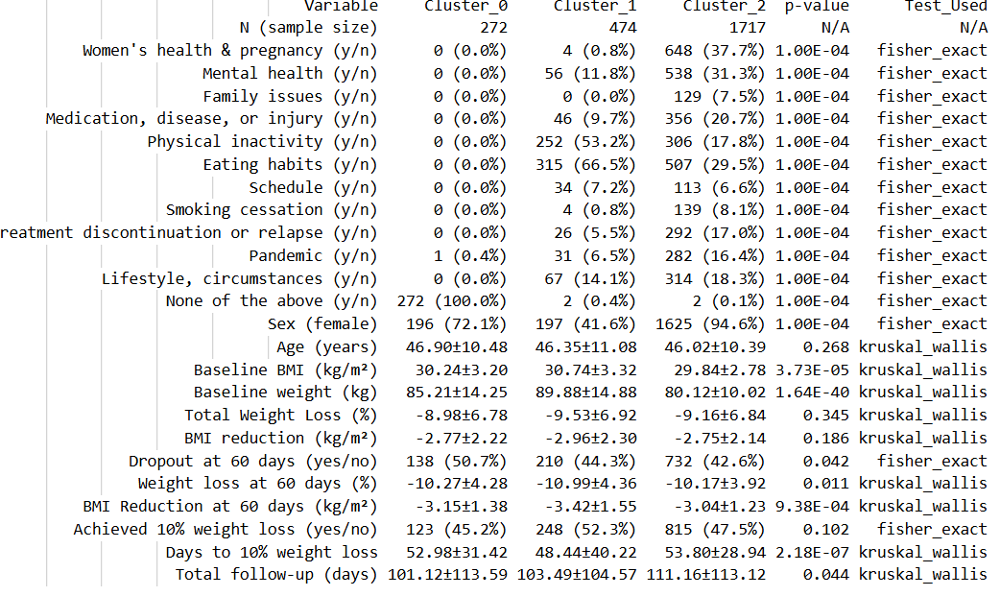
 | bl_bc_vw | n | n |  | n |  |  |  |  |  |  |  | bl_nobc_bw_hclust_ward_k3
 | bl_bc_bw | n | n |  | n
 | oc_nobc_vw | n | n |  | n
 | oc_nobc_bw | n | n |  | n
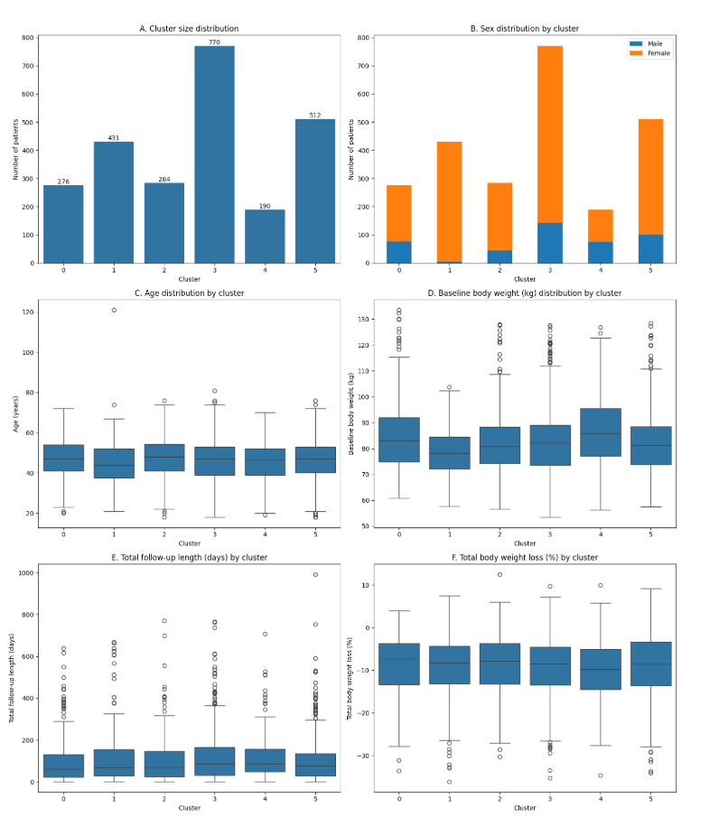
 | oc_bc_vw | n | n |  | n
 | oc_bc_bw | n | n |  | n

 | jaccard_wgc - data NA! |  | bl_nobc_vw |  | bl_nobc_bw

 | best DB score at k = 2
 | k=3 or 7 |  | k=6-8 |  | k=3 or 8

 | jaccard_wgc_hclust_ward |  |  |  |  |  |  |  |  |  |  |  | bl_nobc_bw_hclust_ward_k8

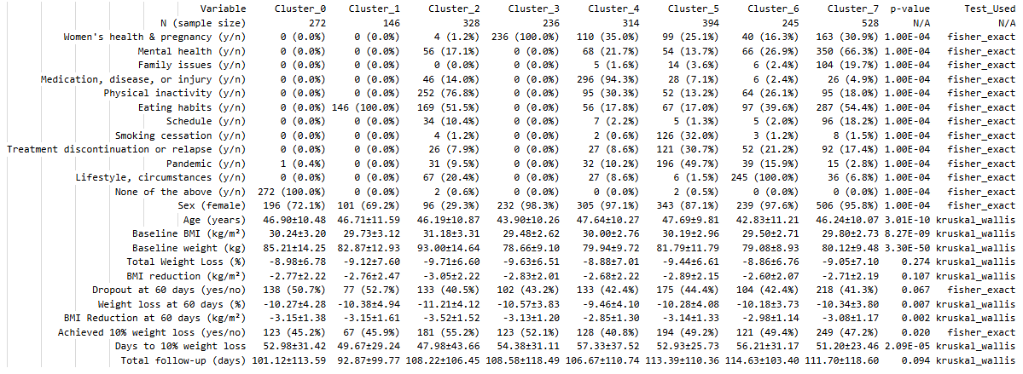

 |  |  |  |  |  |  |  |  |  | bl_nobc_vw_hclust_ward_k7
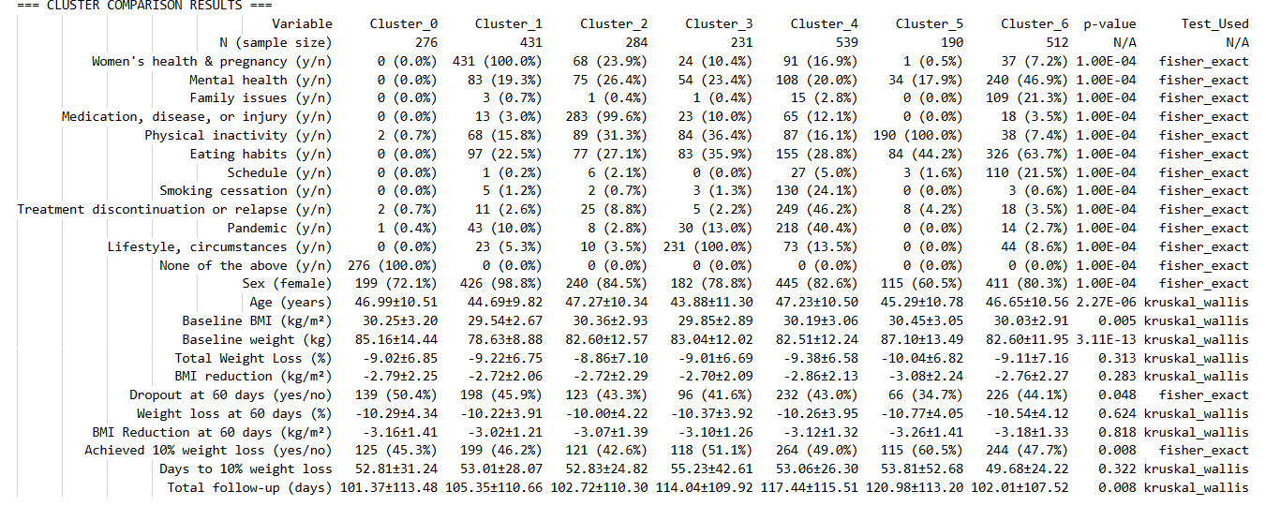

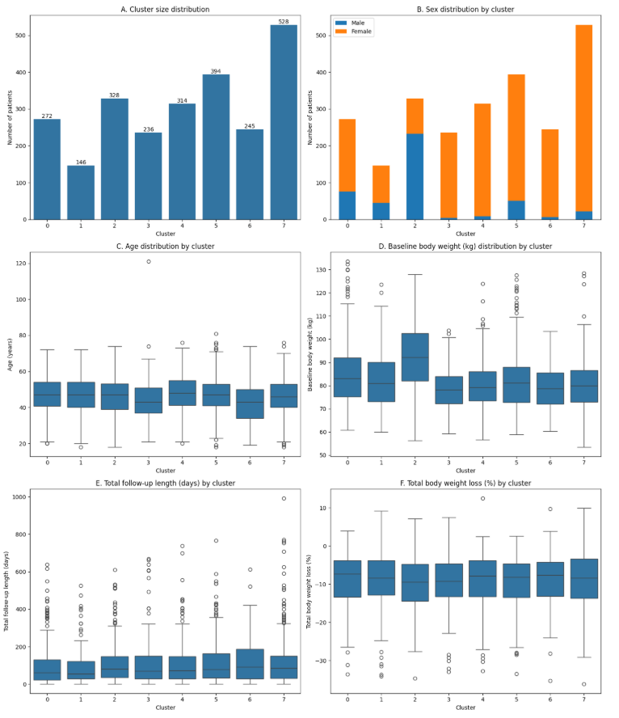

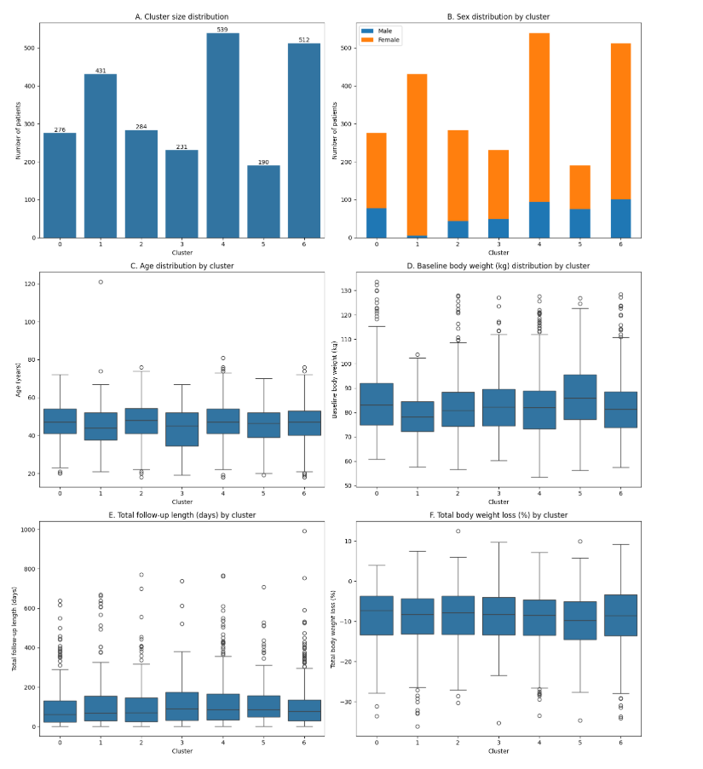

 |  |  |  |  |  |  |  |  |  | bl_nobc_vw_hclust_ward_k8

bl results eval
as per clustering on WGCs and baseline values (phenotyping approach), PAM 'gold standard' method (k-medoids PAM algorithm, with init=k-medoids++ iterated over 10 random init seeds) appears the best-performing one, with k=7 or 6. WGC-only clustering is possible, but inclusion of age, sex and baseline BMI adds nuance. Suggest block-wise weighting, ie. 50% of distance matrix weights belongs to WGCs, 50% to other variables. Clinical profiles with this approach at k=7 are well-separated into phenotypes and outcome differences show overall statistical significance with omnibus tests. The inclusion of age, sex and baseline BMI in clustering unsurprisingly resulted in a better separation of clinical and outcome differences. However, even without including these variables, clinical differences emerge especially at the level of baseline variables.
Importantly, while other clustering approaches are less optimal, the observed phenotype/WGC grouping patterns remained largely the same across runs. Differences exist, but all tests point to the existence of latent phenotypic groups defined by WGCs.
On this sheet, I'm comparing the 4 best layouts from the k-medoids 'gold standard' approach - clustering only on WGCs vs. WGCs with age, sex and BMI weighing the latter group of variables at 50% (ie. that block has the same influence on distance calculations as all WGCs together), at k = 6 and 7 with both algorithms, to evaluate the impact of incrementing k on clinical separation of phenotypes. For comparison of overall WGC patterns, I'm also copying the clustering solution from the 1st paper here.
 |  |  |  |  |  |  |  |  |  |  |  |  |  |  |  |  |  | Clustering presented in Paper 1 |  | Variable | Population averages | Cluster 1 (N = 51) | Cluster 2 (N = 24) | Cluster 3 (N = 36) | Cluster 4 (N = 78) | Cluster 5 (N = 55) | Cluster 6 (N = 64) | p-value
 |  |  |  |  |  |  |  |  |  |  |  |  |  |  |  |  |  |  |  | Self-reported causes of weight gain
 |  |  |  |  |  |  |  |  |  |  |  |  |  |  |  |  |  |  |  | Women's health & pregnancy (yes) | 88 (28.6%) | 51 (100.0%) | 0 (0.0%) | 0 (0.0%) | 23 (29.5%) | 14 (25.5%) | 0 (0.0%) | 1.00E-04
 |  |  |  |  |  |  |  |  |  |  |  |  |  |  |  |  |  |  |  | Mental health (yes) | 79 (25.6%) | 0 (0.0%) | 0 (0.0%) | 0 (0.0%) | 64 (82.1%) | 13 (23.6%) | 2 (3.1%) | 1.00E-04
 |  |  |  |  |  |  |  |  |  |  |  |  |  |  |  |  |  |  |  | Family issues (yes) | 18 (5.8%) | 1 (2.0%) | 0 (0.0%) | 0 (0.0%) | 15 (19.2%) | 2 (3.6%) | 0 (0.0%) | 1.00E-04
 |  |  |  |  |  |  |  |  |  |  |  |  |  |  |  |  |  |  |  | Lifestyle, circumstances (yes) | 42 (13.6%) | 1 (2.0%) | 0 (0.0%) | 0 (0.0%) | 3 (3.8%) | 38 (69.1%) | 0 (0.0%) | 1.00E-04
 |  |  |  |  |  |  |  |  |  |  |  |  |  |  |  |  |  |  |  | Eating habits (yes) | 107 (34.7%) | 0 (0.0%) | 0 (0.0%) | 36 (100.0%) | 25 (32.1%) | 31 (56.4%) | 15 (23.4%) | 1.00E-04
 |  |  |  |  |  |  |  |  |  |  |  |  |  |  |  |  |  |  |  | Physical inactivity (yes) | 66 (21.4%) | 8 (15.7%) | 0 (0.0%) | 0 (0.0%) | 10 (12.8%) | 12 (21.8%) | 36 (56.2%) | 1.00E-04
 |  |  |  |  |  |  |  |  |  |  |  |  |  |  |  |  |  |  |  | Schedule (yes) | 20 (6.5%) | 1 (2.0%) | 0 (0.0%) | 0 (0.0%) | 3 (3.8%) | 14 (25.5%) | 2 (3.1%) | 1.00E-04
 |  |  |  |  |  |  |  |  |  |  |  |  |  |  |  |  |  |  |  | Medication, disease, or injury (yes) | 31 (10.1%) | 6 (11.8%) | 0 (0.0%) | 0 (0.0%) | 8 (10.3%) | 1 (1.8%) | 16 (25.0%) | 2.00E-04
 |  |  |  |  |  |  |  |  |  |  |  |  |  |  |  |  |  |  |  | Treatment discontinuation or relapse (yes) | 18 (5.8%) | 0 (0.0%) | 0 (0.0%) | 0 (0.0%) | 5 (6.4%) | 3 (5.5%) | 10 (15.6%) | 0.004
 |  |  |  |  |  |  |  |  |  |  |  |  |  |  |  |  |  |  |  | Pandemic (yes) | 35 (11.4%) | 0 (0.0%) | 0 (0.0%) | 0 (0.0%) | 10 (12.8%) | 5 (9.1%) | 20 (31.2%) | 1.00E-04
 |  |  |  |  |  |  |  |  |  |  |  |  |  |  |  |  |  |  |  | Smoking cessation (yes) | 15 (4.9%) | 2 (3.9%) | 0 (0.0%) | 0 (0.0%) | 4 (5.1%) | 1 (1.8%) | 8 (12.5%) | 0.065
ALGORITHM: k-medoids with partitioning around medoids, init=k-medoids++ over 10 random seeds |  |  |  |  |  |  |  |  |  |  |  |  |  |  |  |  |  |  |  | None of the above (yes) | 24 (7.8%) | 0 (0.0%) | 24 (100.0%) | 0 (0.0%) | 0 (0.0%) | 0 (0.0%) | 0 (0.0%) | 1.00E-04
 |  |  |  |  |  |  |  |  |  |  |  |  |  |  |  |  |  |  |  | Self-reported eating behavior
1. DISTANCE MATRIX: Hybrid distance matrix of WGCs and clinical variables (age, sex, baseline BMI) where both blocks of variables have an equal influence in distance calculations |  |  |  |  |  |  |  |  |  | 2. DISTANCE MATRIX: Jaccard distance of WGCs only, no clinical variables included |  |  |  |  |  |  |  |  |  | Hunger (yes) | 222 (72.1%) | 31 (60.8%) | 15 (62.5%) | 26 (72.2%) | 64 (82.1%) | 41 (74.5%) | 45 (70.3%) | 0.126
1A k = 7 |  |  |  |  |  |  |  |  |  | 2A k=7 |  |  |  |  |  |  |  |  |  | Satiety (yes) | 195 (63.3%) | 27 (52.9%) | 17 (70.8%) | 22 (61.1%) | 58 (74.4%) | 30 (54.5%) | 41 (64.1%) | 0.108
Variable | Cluster 1 Men with Physical inactivity and some eating habits | Cluster 2 Women's health | Cluster 3 Vague cause | Cluster 4 Pandemic, circumstances | Cluster 5 Medication, disease or injury with physical inactivity | Cluster 6 Eating habits with some physical inactivity, gender balance | Cluster 7 Mental health with eating habits and weight regain | p-value | Test_Used | Variable | Cluster 1 Mental health with eating habits and weight regain | Cluster 2 Medication, disease or injury with physical inactivity | Cluster 3 Eating habits dominate, women's health appears | Cluster 4 Women's health | Cluster 5 Vague causes | Cluster 6 Pandemic-related gain | Cluster 7 Circumstances, inactivity, eating habits | p-value | Test_Used | Emotional eating (yes) | 259 (84.1%) | 34 (66.7%) | 19 (79.2%) | 26 (72.2%) | 76 (97.4%) | 50 (90.9%) | 54 (84.4%) | 1.00E-04
N (sample size) | 271 | 500 | 279 | 302 | 279 | 389 | 443 | N/A | N/A | N (sample size) | 595 | 321 | 288 | 478 | 276 | 152 | 353 | N/A | N/A | Emotional eating score (1-10) | 7.13±2.37 | 6.02±2.83 | 6.33±1.90 | 6.61±2.16 | 8.15±1.53 | 7.35±2.49 | 7.19±2.47 | 2.00E-06
Women's health & pregnancy (y/n) | 3 (1.1%) | 498 (99.6%) | 0 (0.0%) | 12 (4.0%) | 33 (11.8%) | 45 (11.6%) | 61 (13.8%) | 1.00E-04 | fisher_exact | Women's health & pregnancy (y/n) | 59 (9.9%) | 19 (5.9%) | 59 (20.5%) | 478 (100.0%) | 0 (0.0%) | 0 (0.0%) | 37 (10.5%) | 1.00E-04 | fisher_exact | Quantity control score (1-10) | 6.31±2.51 | 5.41±2.74 | 5.50±2.32 | 5.97±2.32 | 7.15±2.06 | 6.49±2.33 | 6.34±2.83 | 0.001
Mental health (y/n) | 28 (10.3%) | 67 (13.4%) | 0 (0.0%) | 29 (9.6%) | 34 (12.2%) | 0 (0.0%) | 436 (98.4%) | 1.00E-04 | fisher_exact | Mental health (y/n) | 468 (78.7%) | 12 (3.7%) | 0 (0.0%) | 71 (14.9%) | 0 (0.0%) | 19 (12.5%) | 24 (6.8%) | 1.00E-04 | fisher_exact | Impulse control score (1-10) | 6.63±2.51 | 5.69±2.63 | 6.17±2.10 | 6.19±2.42 | 7.32±2.28 | 6.98±2.31 | 6.64±2.81 | 0.002
Family issues (y/n) | 7 (2.6%) | 16 (3.2%) | 0 (0.0%) | 20 (6.6%) | 13 (4.7%) | 20 (5.1%) | 53 (12.0%) | 1.00E-04 | fisher_exact | Family issues (y/n) | 69 (11.6%) | 9 (2.8%) | 10 (3.5%) | 15 (3.1%) | 0 (0.0%) | 10 (6.6%) | 16 (4.5%) | 1.00E-04 | fisher_exact | Key characteristics and outcomes
Medication, disease, or injury (y/n) | 37 (13.7%) | 54 (10.8%) | 0 (0.0%) | 9 (3.0%) | 237 (84.9%) | 24 (6.2%) | 41 (9.3%) | 1.00E-04 | fisher_exact | Medication, disease, or injury (y/n) | 63 (10.6%) | 214 (66.7%) | 30 (10.4%) | 68 (14.2%) | 0 (0.0%) | 18 (11.8%) | 9 (2.5%) | 1.00E-04 | fisher_exact | Sex (female) | 254 (82.5%) | 51 (100.0%) | 18 (75.0%) | 24 (66.7%) | 70 (89.7%) | 45 (81.8%) | 46 (71.9%) | 2.00E-04
Physical inactivity (y/n) | 231 (85.2%) | 55 (11.0%) | 2 (0.7%) | 55 (18.2%) | 59 (21.1%) | 84 (21.6%) | 72 (16.3%) | 1.00E-04 | fisher_exact | Physical inactivity (y/n) | 73 (12.3%) | 217 (67.6%) | 0 (0.0%) | 37 (7.7%) | 2 (0.7%) | 22 (14.5%) | 207 (58.6%) | 1.00E-04 | fisher_exact | Age (years) | 46.39±10.53 | 46.90±9.66 | 47.25±9.97 | 48.78±12.59 | 45.94±9.75 | 43.07±11.17 | 47.70±10.19 | 0.095
Eating habits (y/n) | 89 (32.8%) | 36 (7.2%) | 0 (0.0%) | 17 (5.6%) | 18 (6.5%) | 374 (96.1%) | 288 (65.0%) | 1.00E-04 | fisher_exact | Eating habits (y/n) | 291 (48.9%) | 22 (6.9%) | 288 (100.0%) | 0 (0.0%) | 0 (0.0%) | 0 (0.0%) | 221 (62.6%) | 1.00E-04 | fisher_exact | Baseline weight (kg) | 82.94±12.13 | 77.41±9.64 | 87.18±14.94 | 83.95±12.73 | 82.83±11.15 | 82.52±11.86 | 85.68±12.64 | 0.005
Schedule (y/n) | 27 (10.0%) | 10 (2.0%) | 1 (0.4%) | 14 (4.6%) | 10 (3.6%) | 39 (10.0%) | 46 (10.4%) | 1.00E-04 | fisher_exact | Schedule (y/n) | 60 (10.1%) | 9 (2.8%) | 31 (10.8%) | 8 (1.7%) | 0 (0.0%) | 3 (2.0%) | 36 (10.2%) | 1.00E-04 | fisher_exact | Baseline BMI (kg/m²) | 30.16±3.04 | 28.85±2.93 | 31.17±3.75 | 30.08±3.11 | 30.13±2.65 | 30.34±2.95 | 30.73±3.08 | 0.014
Smoking cessation (y/n) | 15 (5.5%) | 40 (8.0%) | 0 (0.0%) | 31 (10.3%) | 25 (9.0%) | 18 (4.6%) | 14 (3.2%) | 1.00E-04 | fisher_exact | Smoking cessation (y/n) | 66 (11.1%) | 8 (2.5%) | 11 (3.8%) | 38 (7.9%) | 0 (0.0%) | 14 (9.2%) | 6 (1.7%) | 1.00E-04 | fisher_exact | Total Weight Loss (%) | -8.61±5.85 | -7.74±5.29 | -7.01±5.32 | -7.49±5.97 | -9.09±6.08 | -8.72±5.96 | -9.84±5.89 | 0.224
Treatment discontinuation or relapse (y/n) | 34 (12.5%) | 47 (9.4%) | 4 (1.4%) | 53 (17.5%) | 48 (17.2%) | 47 (12.1%) | 85 (19.2%) | 1.00E-04 | fisher_exact | Treatment discontinuation or relapse (y/n) | 138 (23.2%) | 33 (10.3%) | 34 (11.8%) | 46 (9.6%) | 2 (0.7%) | 16 (10.5%) | 49 (13.9%) | 1.00E-04 | fisher_exact | BMI reduction (kg/m²) | -2.60±1.82 | -2.23±1.54 | -2.18±1.68 | -2.26±1.83 | -2.73±1.84 | -2.61±1.77 | -3.08±2.00 | 0.157
Pandemic (y/n) | 25 (9.2%) | 34 (6.8%) | 1 (0.4%) | 152 (50.3%) | 24 (8.6%) | 34 (8.7%) | 44 (9.9%) | 1.00E-04 | fisher_exact | Pandemic (y/n) | 38 (6.4%) | 14 (4.4%) | 24 (8.3%) | 34 (7.1%) | 1 (0.4%) | 152 (100.0%) | 51 (14.4%) | 1.00E-04 | fisher_exact | Achieved 10% weight loss (yes/no) | 132 (42.9%) | 17 (33.3%) | 6 (25.0%) | 15 (41.7%) | 33 (42.3%) | 29 (52.7%) | 32 (50.0%) | 0.124
Lifestyle, circumstances (y/n) | 43 (15.9%) | 25 (5.0%) | 0 (0.0%) | 162 (53.6%) | 15 (5.4%) | 67 (17.2%) | 69 (15.6%) | 1.00E-04 | fisher_exact | Lifestyle, circumstances (y/n) | 71 (11.9%) | 13 (4.0%) | 0 (0.0%) | 25 (5.2%) | 0 (0.0%) | 19 (12.5%) | 253 (71.7%) | 1.00E-04 | fisher_exact | Days to 10% weight loss | 51.42±24.82 | 48.29±18.69 | 49.50±34.77 | 57.87±43.33 | 51.09±21.63 | 49.41±20.36 | 52.56±22.19 | 0.937
None of the above (y/n) | 0 (0.0%) | 0 (0.0%) | 276 (98.9%) | 0 (0.0%) | 0 (0.0%) | 0 (0.0%) | 0 (0.0%) | 1.00E-04 | fisher_exact | None of the above (y/n) | 0 (0.0%) | 0 (0.0%) | 0 (0.0%) | 0 (0.0%) | 276 (100.0%) | 0 (0.0%) | 0 (0.0%) | 1.00E-04 | fisher_exact | Total follow-up (days) | 76.82±68.00 | 68.45±58.14 | 60.46±62.64 | 67.11±60.10 | 79.77±68.98 | 82.71±67.54 | 86.45±79.59 | 0.556
Sex (female) ~82% of whole population | 71 (26.2%) | 493 (98.6%) | 202 (72.4%) | 271 (89.7%) | 256 (91.8%) | 325 (83.5%) | 400 (90.3%) | 1.00E-04 | fisher_exact | Sex (female) | 508 (85.4%) | 241 (75.1%) | 225 (78.1%) | 470 (98.3%) | 199 (72.1%) | 117 (77.0%) | 258 (73.1%) | 1.00E-04 | fisher_exact
Age (years) | 46.05±10.23 | 45.36±9.87 | 47.08±10.54 | 45.31±11.59 | 48.79±10.16 | 46.33±11.15 | 45.44±10.12 | 6.37E-06 | kruskal_wallis | Age (years) | 46.34±9.98 | 47.37±10.68 | 47.01±11.06 | 45.23±9.74 | 46.99±10.51 | 48.17±11.66 | 43.96±11.01 | 2.60E-06 | kruskal_wallis
Baseline BMI (kg/m²) | 31.26±3.25 | 29.66±2.72 | 30.25±3.18 | 29.29±2.92 | 30.98±2.63 | 29.33±2.73 | 30.23±2.90 | 1.26E-23 | kruskal_wallis | Baseline BMI (kg/m²) | 30.20±2.97 | 30.31±3.08 | 29.86±2.98 | 29.68±2.74 | 30.25±3.20 | 30.32±2.95 | 29.99±2.87 | 0.075 | kruskal_wallis
Baseline weight (kg) | 94.12±14.30 | 78.99±9.18 | 85.11±14.37 | 79.18±11.52 | 83.15±10.16 | 80.23±11.08 | 81.90±10.47 | 1.02E-57 | kruskal_wallis | Baseline weight (kg) | 82.31±11.46 | 84.41±13.68 | 82.23±11.76 | 78.94±9.19 | 85.16±14.44 | 83.55±12.70 | 84.02±13.04 | 3.54E-09 | kruskal_wallis
Total Weight Loss (%) | -10.25±6.83 | -9.38±6.73 | -8.98±6.83 | -8.92±6.56 | -9.34±7.01 | -8.39±7.01 | -9.38±6.91 | 0.008 | kruskal_wallis | Total Weight Loss (%) | -9.24±6.83 | -9.50±6.75 | -8.91±7.41 | -9.47±6.69 | -9.02±6.85 | -9.99±6.86 | -8.63±6.71 | 0.321 | kruskal_wallis
BMI reduction (kg/m²) | -3.24±2.29 | -2.78±2.06 | -2.77±2.24 | -2.63±2.07 | -2.90±2.26 | -2.49±2.21 | -2.85±2.18 | 3.76E-04 | kruskal_wallis | BMI reduction (kg/m²) | -2.81±2.17 | -2.91±2.18 | -2.68±2.35 | -2.81±2.07 | -2.79±2.25 | -3.06±2.30 | -2.61±2.11 | 0.298 | kruskal_wallis
Dropout at 60 days (yes/no) | 102 (37.6%) | 218 (43.6%) | 141 (50.5%) | 129 (42.7%) | 112 (40.1%) | 198 (50.9%) | 180 (40.6%) | 0.001 | fisher_exact | Dropout at 60 days (yes/no) | 249 (41.8%) | 130 (40.5%) | 142 (49.3%) | 210 (43.9%) | 139 (50.4%) | 62 (40.8%) | 148 (41.9%) | 0.069 | fisher_exact
Weight loss at 60 days (%) | -11.27±4.21 | -10.25±4.09 | -10.25±4.34 | -10.22±3.91 | -9.36±3.89 | -10.28±4.30 | -10.63±3.64 | 0.002 | kruskal_wallis | Weight loss at 60 days (%) | -10.46±3.74 | -9.94±4.13 | -10.45±4.51 | -10.29±3.96 | -10.29±4.34 | -10.49±4.04 | -10.46±4.11 | 0.839 | kruskal_wallis
BMI Reduction at 60 days (kg/m²) | -3.56±1.51 | -3.03±1.27 | -3.15±1.41 | -3.00±1.24 | -2.90±1.24 | -3.03±1.42 | -3.22±1.15 | 8.41E-04 | kruskal_wallis | BMI Reduction at 60 days (kg/m²) | -3.18±1.20 | -3.04±1.37 | -3.15±1.50 | -3.05±1.24 | -3.16±1.41 | -3.22±1.34 | -3.14±1.37 | 0.819 | kruskal_wallis
Achieved 10% weight loss (yes/no) | 153 (56.5%) | 242 (48.4%) | 125 (44.8%) | 152 (50.3%) | 126 (45.2%) | 168 (43.2%) | 220 (49.7%) | 0.026 | fisher_exact | Achieved 10% weight loss (yes/no) | 289 (48.6%) | 155 (48.3%) | 128 (44.4%) | 235 (49.2%) | 125 (45.3%) | 81 (53.3%) | 173 (49.0%) | 0.613 | fisher_exact
Days to 10% weight loss | 43.01±20.12 | 53.29±27.56 | 52.81±31.24 | 51.70±23.45 | 59.52±38.64 | 55.33±48.45 | 52.91±26.90 | 1.06E-07 | kruskal_wallis | Days to 10% weight loss | 52.20±26.10 | 53.75±35.92 | 50.08±25.50 | 53.75±28.17 | 52.81±31.24 | 49.56±20.09 | 53.75±47.54 | 0.342 | kruskal_wallis
Total follow-up (days) | 115.39±112.13 | 103.94±106.06 | 100.65±113.09 | 113.65±110.55 | 117.46±118.40 | 103.64±121.72 | 109.91±103.10 | 0.009 | kruskal_wallis | Total follow-up (days) | 108.30±107.31 | 111.32±106.26 | 102.35±122.73 | 107.42±112.16 | 101.37±113.48 | 121.16±111.34 | 113.39±112.00 | 0.044 | kruskal_wallis

1B k = 6 |  |  |  |  |  |  |  |  |  | 2B k = 6
Variable | Cluster 1 Men with physical inactivity and eating habits | Cluster 2 Women's health | Cluster 3 Vague causes | Cluster 4 Pandemic, circumstances and weight regain | Cluster 5 Medication, disease or injury with physical inactivity | Cluster 6 Mental health with eating habits | p-value | Test_Used |  | Variable | Cluster 1 Mental health, eating habits | Cluster 2 Physical inactivity with medication, disease or injury | Cluster 3 Eating habits dominate, inactivity and women's health appear | Cluster 4 Women's health | Cluster 5 Vague causes | Cluster 6 Pandemic, circumstances and weight regain | p-value | Test_Used
N (sample size) | 345 | 552 | 301 | 277 | 353 | 635 | N/A | N/A |  | N (sample size) | 572 | 376 | 458 | 474 | 276 | 307 | N/A | N/A
Women's health & pregnancy (y/n) | 5 (1.4%) | 551 (99.8%) | 0 (0.0%) | 17 (6.1%) | 20 (5.7%) | 59 (9.3%) | 1.00E-04 | fisher_exact |  | Women's health & pregnancy (y/n) | 61 (10.7%) | 19 (5.1%) | 81 (17.7%) | 474 (100.0%) | 0 (0.0%) | 17 (5.5%) | 1.00E-04 | fisher_exact
Mental health (y/n) | 36 (10.4%) | 68 (12.3%) | 0 (0.0%) | 14 (5.1%) | 36 (10.2%) | 440 (69.3%) | 1.00E-04 | fisher_exact |  | Mental health (y/n) | 499 (87.2%) | 12 (3.2%) | 0 (0.0%) | 68 (14.3%) | 0 (0.0%) | 15 (4.9%) | 1.00E-04 | fisher_exact
Family issues (y/n) | 6 (1.7%) | 19 (3.4%) | 5 (1.7%) | 21 (7.6%) | 13 (3.7%) | 65 (10.2%) | 1.00E-04 | fisher_exact |  | Family issues (y/n) | 68 (11.9%) | 11 (2.9%) | 15 (3.3%) | 15 (3.2%) | 0 (0.0%) | 20 (6.5%) | 1.00E-04 | fisher_exact
Medication, disease, or injury (y/n) | 28 (8.1%) | 72 (13.0%) | 0 (0.0%) | 10 (3.6%) | 232 (65.7%) | 60 (9.4%) | 1.00E-04 | fisher_exact |  | Medication, disease, or injury (y/n) | 68 (11.9%) | 229 (60.9%) | 29 (6.3%) | 66 (13.9%) | 0 (0.0%) | 10 (3.3%) | 1.00E-04 | fisher_exact
Physical inactivity (y/n) | 207 (60.0%) | 51 (9.2%) | 2 (0.7%) | 21 (7.6%) | 219 (62.0%) | 58 (9.1%) | 1.00E-04 | fisher_exact |  | Physical inactivity (y/n) | 98 (17.1%) | 259 (68.9%) | 131 (28.6%) | 41 (8.6%) | 2 (0.7%) | 27 (8.8%) | 1.00E-04 | fisher_exact
Eating habits (y/n) | 224 (64.9%) | 80 (14.5%) | 0 (0.0%) | 31 (11.2%) | 24 (6.8%) | 463 (72.9%) | 1.00E-04 | fisher_exact |  | Eating habits (y/n) | 306 (53.5%) | 24 (6.4%) | 458 (100.0%) | 0 (0.0%) | 0 (0.0%) | 34 (11.1%) | 1.00E-04 | fisher_exact
Schedule (y/n) | 39 (11.3%) | 19 (3.4%) | 5 (1.7%) | 11 (4.0%) | 11 (3.1%) | 62 (9.8%) | 1.00E-04 | fisher_exact |  | Schedule (y/n) | 62 (10.8%) | 15 (4.0%) | 47 (10.3%) | 9 (1.9%) | 0 (0.0%) | 14 (4.6%) | 1.00E-04 | fisher_exact
Smoking cessation (y/n) | 16 (4.6%) | 41 (7.4%) | 15 (5.0%) | 30 (10.8%) | 11 (3.1%) | 30 (4.7%) | 5.00E-04 | fisher_exact |  | Smoking cessation (y/n) | 61 (10.7%) | 9 (2.4%) | 13 (2.8%) | 38 (8.0%) | 0 (0.0%) | 22 (7.2%) | 1.00E-04 | fisher_exact
Treatment discontinuation or relapse (y/n) | 35 (10.1%) | 46 (8.3%) | 2 (0.7%) | 114 (41.2%) | 33 (9.3%) | 88 (13.9%) | 1.00E-04 | fisher_exact |  | Treatment discontinuation or relapse (y/n) | 82 (14.3%) | 34 (9.0%) | 33 (7.2%) | 39 (8.2%) | 2 (0.7%) | 128 (41.7%) | 1.00E-04 | fisher_exact
Pandemic (y/n) | 55 (15.9%) | 37 (6.7%) | 1 (0.3%) | 125 (45.1%) | 41 (11.6%) | 55 (8.7%) | 1.00E-04 | fisher_exact |  | Pandemic (y/n) | 55 (9.6%) | 40 (10.6%) | 41 (9.0%) | 28 (5.9%) | 1 (0.4%) | 149 (48.5%) | 1.00E-04 | fisher_exact
Lifestyle, circumstances (y/n) | 72 (20.9%) | 33 (6.0%) | 0 (0.0%) | 137 (49.5%) | 41 (11.6%) | 98 (15.4%) | 1.00E-04 | fisher_exact |  | Lifestyle, circumstances (y/n) | 88 (15.4%) | 42 (11.2%) | 76 (16.6%) | 24 (5.1%) | 0 (0.0%) | 151 (49.2%) | 1.00E-04 | fisher_exact
None of the above (y/n) | 0 (0.0%) | 0 (0.0%) | 276 (91.7%) | 0 (0.0%) | 0 (0.0%) | 0 (0.0%) | 1.00E-04 | fisher_exact |  | None of the above (y/n) | 0 (0.0%) | 0 (0.0%) | 0 (0.0%) | 0 (0.0%) | 276 (100.0%) | 0 (0.0%) | 1.00E-04 | fisher_exact
Sex (female) | 63 (18.3%) | 547 (99.1%) | 224 (74.4%) | 266 (96.0%) | 320 (90.7%) | 598 (94.2%) | 1.00E-04 | fisher_exact |  | Sex (female) | 486 (85.0%) | 283 (75.3%) | 333 (72.7%) | 466 (98.3%) | 199 (72.1%) | 251 (81.8%) | 1.00E-04 | fisher_exact
Age (years) | 46.13±11.03 | 45.32±9.64 | 47.49±10.39 | 45.44±10.93 | 46.14±11.17 | 46.68±10.49 | 0.011 | kruskal_wallis |  | Age (years) | 46.15±10.05 | 46.85±11.11 | 46.42±10.90 | 45.23±9.74 | 46.99±10.51 | 45.79±11.27 | 0.022 | kruskal_wallis
Baseline BMI (kg/m²) | 31.36±3.33 | 29.64±2.71 | 30.43±3.13 | 29.70±2.71 | 30.04±2.77 | 29.70±2.86 | 3.98E-13 | kruskal_wallis |  | Baseline BMI (kg/m²) | 30.12±2.92 | 30.25±3.03 | 29.91±2.95 | 29.66±2.72 | 30.25±3.20 | 30.37±3.03 | 0.03 | kruskal_wallis
Baseline weight (kg) | 94.88±14.21 | 78.87±8.87 | 85.14±13.89 | 79.22±9.27 | 81.69±11.39 | 79.80±9.68 | 6.17E-74 | kruskal_wallis |  | Baseline weight (kg) | 82.27±11.09 | 84.24±13.50 | 83.28±12.67 | 78.99±9.33 | 85.16±14.44 | 83.15±12.77 | 8.93E-09 | kruskal_wallis
Total Weight Loss (%) | -9.33±6.75 | -9.39±6.75 | -9.05±7.04 | -8.94±6.68 | -9.51±6.81 | -9.02±7.01 | 0.564 | kruskal_wallis |  | Total Weight Loss (%) | -9.16±6.83 | -9.52±6.68 | -8.79±7.21 | -9.54±6.71 | -9.02±6.85 | -9.25±6.80 | 0.364 | kruskal_wallis
BMI reduction (kg/m²) | -2.97±2.31 | -2.78±2.07 | -2.81±2.31 | -2.67±2.12 | -2.88±2.17 | -2.70±2.19 | 0.27 | kruskal_wallis |  | BMI reduction (kg/m²) | -2.78±2.16 | -2.90±2.15 | -2.66±2.31 | -2.82±2.07 | -2.79±2.25 | -2.83±2.20 | 0.382 | kruskal_wallis
Dropout at 60 days (yes/no) | 151 (43.8%) | 243 (44.0%) | 152 (50.5%) | 123 (44.4%) | 133 (37.7%) | 278 (43.8%) | 0.051 | fisher_exact |  | Dropout at 60 days (yes/no) | 241 (42.1%) | 146 (38.8%) | 216 (47.2%) | 206 (43.5%) | 139 (50.4%) | 132 (43.0%) | 0.044 | fisher_exact
Weight loss at 60 days (%) | -11.30±4.60 | -10.30±3.90 | -10.32±4.39 | -9.96±3.56 | -9.88±3.91 | -10.31±3.96 | 0.003 | kruskal_wallis |  | Weight loss at 60 days (%) | -10.48±3.77 | -10.07±4.11 | -10.58±4.50 | -10.32±3.97 | -10.29±4.34 | -10.18±3.76 | 0.797 | kruskal_wallis
BMI Reduction at 60 days (kg/m²) | -3.59±1.63 | -3.05±1.22 | -3.18±1.42 | -2.97±1.13 | -2.98±1.25 | -3.07±1.24 | 2.41E-05 | kruskal_wallis |  | BMI Reduction at 60 days (kg/m²) | -3.17±1.21 | -3.06±1.34 | -3.20±1.53 | -3.05±1.24 | -3.16±1.41 | -3.11±1.25 | 0.85 | kruskal_wallis
Achieved 10% weight loss (yes/no) | 181 (52.5%) | 266 (48.2%) | 136 (45.2%) | 134 (48.4%) | 173 (49.0%) | 296 (46.6%) | 0.492 | fisher_exact |  | Achieved 10% weight loss (yes/no) | 276 (48.3%) | 184 (48.9%) | 212 (46.3%) | 235 (49.6%) | 125 (45.3%) | 154 (50.2%) | 0.773 | fisher_exact
Days to 10% weight loss | 44.52±43.40 | 53.46±27.24 | 52.49±30.11 | 54.73±22.71 | 55.55±34.73 | 54.09±29.60 | 6.24E-13 | kruskal_wallis |  | Days to 10% weight loss | 51.78±26.25 | 52.85±34.16 | 52.23±44.49 | 53.42±28.04 | 52.81±31.24 | 52.82±23.06 | 0.121 | kruskal_wallis
Total follow-up (days) | 103.65±107.42 | 109.03±118.68 | 100.96±111.92 | 120.47±124.50 | 117.21±111.64 | 104.48±100.56 | 0.092 | kruskal_wallis |  | Total follow-up (days) | 107.68±104.20 | 111.93±105.04 | 104.71±117.73 | 107.50±112.00 | 101.37±113.48 | 120.02±120.65 | 0.053 | kruskal_wallis

Munka1
Variable | Parent cohort | Observed cohort: All patients with WGCs
N | 17680 | 2463
Baseline weight (kg) | 83.07 ± 12.80 | 81.60 [73.90–89.40] | 82.56 ± 12.25 | 81.30 [73.95–88.90]
Follow-up length (days) | 105.61 ± 110.97 | 73.00 [28.00–145.00] | 108.57 ± 111.61 | 77.00 [30.00–150.00]
Number of visits | 4.35 ± 4.35 | 3.00 [2.00–6.00] | 5.49 ± 4.76 | 4.00 [2.00–7.00]
Total weight loss (%) | -8.68 ± 6.95 | -7.80 [-13.14–-3.30] | -9.21 ± 6.85 | -8.42 [-13.50–-4.07]
BMI reduction (kg/m²) | -2.66 ± 2.24 | -2.30 [-3.95–-0.98] | -2.79 ± 2.18 | -2.48 [-4.06–-1.19]
Instant dropouts (n) | 1077 (6.1%) | 123 (5.0%)
40-day dropouts (n) | 5817 (32.9%) | 742 (30.1%)
60-day dropouts (n) | 8131 (46.0%) | 1080 (43.8%)
Achieved 10% weight loss (n) | 7842 (44.4%) | 1186 (48.2%)
Days to 10% weight loss | 54.46 ± 33.86 | 47.00 [36.00–62.00] | 52.59 ± 31.92 | 46.00 [35.25–61.00]
Impact of weight gain causes on 10% weight loss success rate

cause | avg likelihood of 10%WL | cause present | cause | proportion | overall average
Medication, disease or injury | 1186 (48.2%) | 172 (42.8%) | Medication, disease or injury | 0.428 | 0.482
None of the above |  | 125 (45.3%) | None of the above | 0.453 | 0.482
External circumstances |  | 182 (47.8%) | External circumstances | 0.478 | 0.482
Eating habits |  | 394 (47.9%) | Eating habits | 0.479 | 0.482
Women's health and pregnancy |  | 314 (48.2%) | Women's health and pregnancy | 0.482 | 0.482
Smoking cessation |  | 69 (48.3%) | Smoking cessation | 0.483 | 0.482
Mental health |  | 292 (49.2%) | Mental health | 0.492 | 0.482
Family issues |  | 64 (49.6%) | Family issues | 0.496 | 0.482
Treatment discontinuation or relapse |  | 159 (50.0%) | Treatment discontinuation or relapse | 0.500 | 0.482
Physical inactivity |  | 296 (53.0%) | Physical inactivity | 0.530 | 0.482
COVID-19 pandemic |  | 169 (53.8%) | COVID-19 pandemic | 0.538 | 0.482
Schedule |  | 80 (54.4%) | Schedule | 0.544 | 0.482

Effect of WGCs on the proportion of patients achieving 10% WL
 |  |  | cause | proportion | overall average
 |  |  | Medication, disease or injury | 42.8 | 48.2
 |  |  | None of the above | 45.3 | 48.2
 |  |  | External circumstances | 47.8 | 48.2
 |  |  | Eating habits | 47.9 | 48.2
 |  |  | Women's health and pregnancy | 48.2 | 48.2
 |  |  | Smoking cessation | 48.3 | 48.2
 |  |  | Mental health | 49.2 | 48.2
 |  |  | Family issues | 49.6 | 48.2
 |  |  | Treatment discontinuation or relapse | 50.0 | 48.2
 |  |  | Physical inactivity | 53.0 | 48.2
 |  |  | COVID-19 pandemic | 53.8 | 48.2
 |  |  | Schedule | 54.4 | 48.2

 |  |  | cause | proportion | difference | base
 |  |  | Medication, disease or injury | 42.8 | -5.400 | -4.918
 |  |  | None of the above | 45.3 | -2.900 | 0.000
 |  |  | External circumstances | 47.8 | -0.400 | 0.082
 |  |  | Eating habits | 47.9 | -0.300 | 0.182
 |  |  | Women's health and pregnancy | 48.2 | 0.000 | 0.482
 |  |  | Smoking cessation | 48.3 | 0.100 | 0.482
 |  |  | Mental health | 49.2 | 1.000 | 0.482
 |  |  | Family issues | 49.6 | 1.400 | 0.482
 |  |  | Treatment discontinuation or relapse | 50.0 | 1.800 | 0.482
 |  |  | Physical inactivity | 53.0 | 4.800 | 0.482
 |  |  | COVID-19 pandemic | 53.8 | 5.600 | 0.482
 |  |  | Schedule | 54.4 | 6.200 | 0.482

 |  |  | cause | proportion | difference from global average | global average
 |  |  | Medication, disease or injury | 42.8 | -5.4 | 48.2
 |  |  | None of the above | 45.3 | -2.9 | 48.2
 |  |  | External circumstances | 47.8 | -0.4 | 48.2
 |  |  | Eating habits | 47.9 | -0.3 | 48.2
 |  |  | Women's health and pregnancy | 48.2 | 0.0 | 48.2
 |  |  | Smoking cessation | 48.3 | 0.1 | 48.2
 |  |  | Mental health | 49.2 | 1.0 | 48.2
 |  |  | Family issues | 49.6 | 1.4 | 48.2
 |  |  | Treatment discontinuation or relapse | 50.0 | 1.8 | 48.2
 |  |  | Physical inactivity | 53.0 | 4.8 | 48.2
 |  |  | COVID-19 pandemic | 53.8 | 5.6 | 48.2
 |  |  | Schedule | 54.4 | 6.2 | 48.2

 |  |  |  | cause | proportion | difference from global average | global average | Helper - green | Helper - red | Helper - yellow
 |  |  |  | Medication, disease or injury | 42.8 | -5.4 | 48.2 | #N/A | -5.4 | #N/A
 |  |  |  | None of the above | 45.3 | -2.9 | 48.2 | #N/A | -2.9 | #N/A
 |  |  |  | External circumstances | 47.8 | -0.4 | 48.2 | #N/A | #N/A | -0.4
 |  |  |  | Eating habits | 47.9 | -0.3 | 48.2 | #N/A | #N/A | -0.3
 |  |  |  | Women's health and pregnancy | 48.2 | 0.0 | 48.2 | #N/A | #N/A | 0
 |  |  |  | Smoking cessation | 48.3 | 0.1 | 48.2 | #N/A | #N/A | 0.1
 |  |  |  | Mental health | 49.2 | 1.0 | 48.2 | #N/A | #N/A | 1
 |  |  |  | Family issues | 49.6 | 1.4 | 48.2 | 1.4 | #N/A | #N/A
 |  |  |  | Treatment discontinuation or relapse | 50.0 | 1.8 | 48.2 | 1.8 | #N/A | #N/A
 |  |  |  | Physical inactivity | 53.0 | 4.8 | 48.2 | 4.8 | #N/A | #N/A
 |  |  |  | COVID-19 pandemic | 53.8 | 5.6 | 48.2 | 5.6 | #N/A | #N/A
 |  |  |  | Schedule | 54.4 | 6.2 | 48.2 | 6.2 | #N/A | #N/A

Key differences between patients with and without WGC narratives

Variable | All patients (17 680) | Patients with weight gain cause narratives (2463)
Baseline weight (kg) | 83.07 | 82.56
Follow-up length (days) | 105.61 | 108.57
Total weight loss (%) | 8.68 | 9.21
Achieved 10% weight loss (n) | 44.40 | 48.20
Days to 10% weight loss | 54.46 | 52.59
Number of visits | 4.35 | 5.49
Instant dropouts (%) | 6.10 | 5.00
40-day dropouts (%) | 32.90 | 30.10
60-day dropouts (n) | 46.00 | 43.80

 |  |  | Number of visits | 4.35 | 5.49
 |  |  | Instant dropouts (%) | 6.10 | 5.00 |  | Instant dropouts (%) | 6.10 | 5.00
 |  |  | 40-day dropouts (%) | 32.90 | 30.10 |  | 40-day dropouts (%) | 32.90 | 30.10
 |  |  | 60-day dropouts (n) | 46.00 | 43.80 |  | 60-day dropouts (n) | 46.00 | 43.80

